Old Question Bank
Note: some images may be out of place. Please contact EAA for assistance if you have any questions |  |  | IFERB Projects Question Bank
No. | Project Name | Level | Curriculum Standards/Learning Outcomes | Knowledge | Skill | Discovery/Conceptual | 21st Century Skills
1 | My Family Tree | 1 | English: Identify and describe characters, settings, and major events. Express opinions in writing and orally. | 1. What is an interview? a) information about a topic b) one way we can collect information c) a family tree | 1. What did houses look like 50 years ago? Describe by writing or drawing | 1. Name two similarities and differences between any two family members | Creativity of the family tree diagram.
 |  |  | Math: make a table, tally chart |  | 2. What means of transportation did your family use 50 years ago? Describe by writing or drawing | 2. What is the most common career in your family? | Communication - asking questions to gather information about family members. Presenting the family tree and all information about family members in details
 |  |  | Social studies: conducting research using primary sources (interviews) |  | 3. If you have identified an occupation shared by many in your family tree, why do you think that this particular occupation was so popular among your family members? |  | Critical thinking - finding common traits shared by family members. Understanding people's living situation in the past
2 | My Family Tree | 2 | English: Describe familiar people, places, and things. Explain how specific images contribute to and clarify a text. Opinion and reason for opinion. | 1. What is an interview? a) information about a topic b) one way we can collect information c) a family tree | 1. What did houses look like 50 years ago? Describe by writing or drawing | 1. Name three similarities and differences between any two family members | Creativity of the family tree diagram.
 |  |  | Math: creating and reading tables |  | 2. What means of transportation did your family use 50 years ago? Describe by writing or drawing | 2. What is the most common career in your family? | Communication - asking questions to gather information about family members. Presenting the family tree and all information about family members in details
 |  |  | Social studies :prediction, research, and methods of interviews |  | 3. If you have identified an occupation shared by many in your family tree, why do you think that this particular occupation was so popular among your family members? |  | Critical thinking - finding common traits shared by family members. Understanding people's living situation in the past
3 | My Family Tree | 3 | English: Summarize story or the main ideas of the informative text. Describe in depth a character, setting, or event. Interpret information presented visually, orally, or quantitatively. Research and writing, multiple sources, quotations, reading amd explaining data | 1. Give one example of primary and secondary sources in research | 1. If you have identified an occupation shared by many in your family tree, why do you think that this particular occupation was so popular among your family members? | 1. Name three similarities and differences between any two family members | Creativity of the family tree diagram.
 |  |  | Math: make a table |  | 2. Write four differences between your childhood and your grandmother's childhood | 2. What is the most common career in your family? | Communication - asking questions to gather information about family members. Presenting the family tree and all information about family members in details
 |  |  | Social studies: reseach, methods of interviewing |  |  |  | Critical thinking - finding common traits shared by family members. Understanding people's living situation in the past
4 | Money Matters | 1 | English: experssing views, image and word describing quantities | 1. What is your local currency called? List any two numbers (denominations) your currency comes in. For example, 5 US Dollars | 1. What is the sum of 5+12? Express the answer using your local currency - paper money | 1. Do you agree with this statement: Money is important. Give two reasons for your answer. | Creativity in the design of the currency notes and coins.
 |  |  |  | 2. What is barter? a) trading something for another thing b) selling something for money | 2. What is the sum of 20+50? Express the answer using your local currency - paper bills or coins | 2. What are two challenges associated with bartering?
 |  |  | Math: convert units, simple addition, pricing, numbers 1-20, count in patterns, drawing using shapes | 3. Draw one example of any denomination of: a) your local paper currency b) your local currency coins |  |  | Critical thinking and creativity in enterprising/money making plan
5 | Money Matters | 2 | English: asking questions, desribing obseravtion, oral presentation, reflection and opinion. | 1. What is the difference between a consumer and producer? | 1. Calculate the perimeter of a rectangle of width 9 cm and length 12cm. | 1. Do you agree with this statement: Money is important. Give two reasons for your answer. | Critical thinking in weekly budget design
 |  |  |  | 2. Draw one example of any denomination of: a) your local paper currency b) your local currency coins | 2. Which of the following is cheaper: $76.4, $47, $76, $89.9, $99, $76 | 2. What are two challenges associated with bartering?
 |  |  | Math: basic operations, creating and reading tables, decimals, conversion of money, draw 2D shapes, multipilaction. | 3. What is barter? a) trading something for another thing b) selling something for money | 3. Write a paragraph on how to make a weekly budget using a given amount of money, for example $100? |  | Creativity in the design of the currency notes
 |  |  | Social studies: prediction do some reseach. |  | 4. What are paper notes and coins do we need to combine to get the total of $45.75
6 | Money Matters | 3 | English: asking questions, desribing obseravtion, oral presentation, reflection and opinion. | 1. What does demand mean? Write a pargraph (three lines) explaining in detail using example. | 1. Calculate the cirumference of a circle with a diameter of 14 cm. | 1. Do you agree with this statement: Money is important. Give three reasons for your answer. | Creativity in the design of the currency coins.
...
 |  |  | Science: comparing animals based on anatomy and habitat, animal rights and ethics | 2. Is there an animal that can live in more than one habitat (for example, in the sea and on land)? If yes, name one such animal OR What is an amphibian? Give one example | 2. List two differences between a fish and a camel. | 2. Compare between an animal park and zoo. List one difference.
 |  |  |  | 3. Where do the animals in the image below live?
 |  |  |  |  |  |  | Creativity in design of animal park/reserve
29 | My Animal Park | 2 | English: describing observations, basic comprehension, writing ,spelling | 1. Define adaptation | 1. Draw and write one difference between omnivores and carnivores. | 1. What will happen if all animals were carnivores (meaning they ate only other animals)? Mention two effects of this. | Critical thinking in comparing animals (differeces and simalarties)
 |  |  | Science : animal classification based on similar traits and/or habitats, food chain and types of consumers, animal rights and ethics | 2. Is there an animal that can live in more than one habitat (for example, in the sea and on land)? If yes, name one such animal OR What is an amphibian? Give one example | 2. List two examples of animals that live in the following habitats: ocean, forest, mountain | 2. Compare between an animal park and zoo. List one difference. Which one is better for animals ? Why? | Creativity in design of animal park/reserve
 |  |  |  | 3. Label the living things in the following food chain as producer or consumer and mention the type of consumer each living thing is:

30 | My Animal Park | 3 | English: cause and effect, research and writing, reading and explaining data. | 1. Define the following terms: - food chain - food web | 1. Draw food web in a forest. Label all living things in the food web as producer or consumer | 1. How do the following animals adapt to their habitat: camel and polar bear? Mention one adaptation feature for each. | Critical thinking in comparing animals (differeces and simalarties)
 |  |  | Science: comparing animals based on anatomy and habitat, ideas of animal ethics, habitat adaptation, food chain, emphasis on classifying animals and comparison, decomposition, food webs | 2. What happens to animals when they die? | 2. Imagine that a camel lives in the North Pole. How do you think the camel should look in order to adapt to this habitat? Draw and describe this imaginary camel that can live in the North Pole. | 2. Compare between an animal park and zoo. List one difference. Which is better for animals ? Why? | Creativity in design of animal park/reserve
 |  |  |  | 3. Label the following web using the following terms: producer,consumer, omnivores, carnivores |  |  | Communication skills in presenting the reserve/park
 |  |  |  | 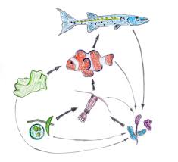
 |  |  |  | 4. Define adaptation
31 | My Home in my Universe | 1 | English: simple words, expressing views, relation between image and text, opinion, basic listening, describing observations | 1. List three planets in our solar system | 1. Compare between city and country? List one difference | 1. Name one other country that has a similar culture, language or food as your country | Creativity in creating flip book for my home is my universe.
 |  |  | Math: simple ruler-work, drawing with shapes, meaurement, simple area | 2. Name the continent that each of the following countries is located in: Egypt, Italy, India, China, Canda, Brazil, South Africa | 2. Draw a famous historical monument or major attraction in your country |  | Critical thinking in thinking about the different levels of the flip book and the differences between each (solar system, earth, country etc.)
 |  |  | Social Studies: basics of surroundings and local area, shape and appearance of earth, introduction to diversity, primary research method |  |  |  | Communication in presenting the flip book
32 | My Home in my Universe | 2 | English: culture and language, categorizing words, image and word, action and word, describing observations, basic comprehension, oral presentation, vocabulary, some reading, detailed categorization. | 1. What does population mean? Give an example of the population of any country OR use the word population in a sentence | 1. Draw two natural features in your state? | 1. Name one other country that has a similar culture, language or food as your country | Creativity in creating flip book for my home is my universe.
 |  |  | Math: measurement, drawing (with) simple shapes, percentages. | 2. Which means of transportation do you use in your city/village? Provide two examples | 2. Compare between any two planets of your choice. List two differences in size, distance to earth, distance to sun, main features etc. |  | Critical thinking in thinking about the different levels of the flip book and the differences between each (solar system, earth, country etc.)
 |  |  | Social Studies: environment and culture basics, basics of surroundings and local area, describing their area/demographics in writing, shape and appearance of earth, introduction to diversity, diversity among countries/continents. |  | 3. What is the percentage of males in my village if there are 200 females and 300 males in total? |  | Communication in presenting the flip book
33 | My Home in my Universe | 3 | English: role of perscpetive in the way facts are presented, extensive description, research and writing, multiple sources, quotations, reading and explaining data | 1. What does population mean? Give an example of the population of any country OR use the word population in a sentence | 1. What is the difference between a country and a continent? | 1. Name one other country that has a similar culture, language or food as your country | Creativity in creating flip book my home is my universe.
 |  |  | Math: measurement and basic 2D shapes, making and interpreting bar graphs, measurement, use of rulers Social Studies : understanding aspects of local-level issues sense of planet, sense of maps | 2. Name any two geographical features or facts about your country. | 2. Imagine that you were asked to design a brochure with information about your city or village to encourage tourists to visit. Name three things you would put on the tourism brochure
 |  |  |  | 3. Name any two national symbols of your country
...
Note: some images may be out of place. Please contact EAA for assistance if you have any questions |  |  | IFERB Projects Question Bank
No. | Project Name | Level | Curriculum Standards/Learning Outcomes | Knowledge | Skill | Discovery/Conceptual | 21st Century Skills
48 | Superhero Academy | 3 | Social Emotional Learning | 1. What is a challenge? Give an example from your own life | 1. Give 3 examples of things you can do to build your strength | 1. What is a superpower? | Critical thinking in setting goals
 |  |  | Building Self-Confidence | 2. What is meant by mindfulness? a) having self-confidence b) being aware of your thoughts and feelings in the present moment c) doing yoga |  | 2. What are two goals you have set for yourself?
 |  |  | Self-Awareness
49 | What is the Weather Like? | 1 | English: simple words, expressing views, relation between image and text, describing observations | 1. How many seasons do we have in a year? | 1. Draw a picture to illustrate summer (colors, trees, clothing) | 1. During which season do you expect to see more animals - Summer or Winter? Why? | Critical thinking in observing changes in different seasons and their effects on people and the environment
 |  |  | Science: adaptation of people, animals, plants, recognizing the different seasons, understanding of the weather elements | 2. What are the best clothes to wear in winter? Why? | 2. Fill the blanks: a) S _ _ m _ r b) W _ n _ e _ | 2. List two things animals do to adapt to hot summer weather
 |  |  |  | 3. True or false: the sun is out (visible in the sky) for the same number of hours in every season | 3. Use the following letters to write the name of one of the seasons: u,u,a,n,m,t
50 | Shadow play | 1 | English: simple words, expressing views, relation between image and text, basic stories telling , narration and retelling of the story | 1. List two uses of light | 1. Draw two different sources of light | 1. How are shadows formed? a) When someone stands in front of a light source with her back to a wall b) When someone stands behind a light source facing a wall | Creativity in creating the puppets and story for the puppet theater
 |  |  | Science: identify sources of light as natural and artificial, classify and name some everyday examples of opaque, translucent and transparent objects, investigate how opaque objects cast a shadow, and how the shadow appears, how shadows change when the distance of a light source is altered | 2. Choose the right answer A ----------------- (transparent, opaque, shadow) object is an object that I can see through | 2. Draw images of sunrise, noon and sunset | 2. Can we see a shadow in the dark? Why or why not? | Critical thinking in classification of objects as opaque, translucent or transparent and understanding the relationship between this classification and how shadows are formed with a light source
 |  |  | Math: simple basic subtraction | 3. True or false: I cannot see through translucent objects | 3. List two differences between natural and artificial sources of light | 3. How can we make the size of the shadow of a toy bigger? | Communication skills through storytelling
 |  |  |  | 4. Which of the following is a natural source of light?
 |  |  |  | 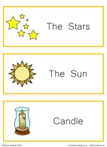
51 | Shadow play | 2 | English: storytelling through puppets | 1. List two things we do at night and two things we do during the day | 1. List two differences between a translucent and opaque object using an example for each | 1. How are shadows formed? a) When someone stands in front of a light source with her back to a wall b) When someone stands behind a light source facing a wall | Creativity in creating the puppets and story for the puppet theater
 |  |  | Science: identify sources of light as natural and artificial, classify and name some everyday examples of opaque, translucent and transparent objects, investigate how opaque objects cast a shadow, and how the shadow appears, investigate how shadows change when the distance of a light source is altered | 2. Which of the following is natural source of light: a) Sun b) Torch c) Stars d) Moon e) Light bulb f) Lightning | 2. Draw images representing sunrise, noon and sunset | 2. Can we see a shadow in the dark? Why or why not? | Critical thinking in classification of objects as opaque, translucent or transparent and understanding the relationship between this classification and how shadows are formed with a light source
 |  |  |  | 3. Complete the color equations below: a. Red + Yellow = --------- b. ------- + Blue = Purple c. Yellow + ------- = Green | 3. Fill in the blanks: adjectives that can be used to describe light: Bright, ………...., …………. | 3. How can we make the size of the shadow of a toy bigger? | Communication skills through storytelling
 |  |  |  | 4. How are rainbows formed? a) when sunlight passes through raindrops b) when it rains heavily c) when the sun shines brightly
 |  |  |  | 5. Give two examples of opaque, transparent, and translucent objects
52 | Shadow play | 3 | English: cause and effect, asking, narration and retelling of the story quesitons, storytelling through puppets | 1. Name four sources of light. Classify them into natural and artificial | 1. List two differences between a translucent and opaque object using an example for each. | 1. How are shadows formed? a) When someone stands in front of a light source with her back to a wall b) When someone stands behind a light source facing a wall | Creativity in creating the puppets and story for the puppet theater
 |  |  | Science: identify sources of light as natural and artificial, classify and name some everyday examples of opaque, translucent and transparent objects, investigate how opaque objects cast a shadow, and how the shadow appears, investigate how shadows change when the distance of a light source is altered | 2. How are rainbows formed? a) when sunlight passes through raindrops b) when it rains heavily c) when the sun shines brightly |  | 2. Can we see a shadow in the dark? Why or why not? | Critical thinking in classification of objects as opaque, translucent or transparent and understanding the relationship between this classification and how shadows are formed with a light source
 |  |  |  | 3. Give two examples of opaque, transparent, and translucent objects |  | 3. How can we make the size of the shadow of a toy bigger? | Communication skills through storytelling
 |  |  |  |  |  | 4. True or false: sunlight contains all the colors of the rainbow
53 | Why all the Plastic? | 1 | English: simple words, expressing views, relation between image and text, describing observations | 1. List 2 uses of plastic | 1. Name the 2 most commonly used plastic items that you see around you or in your house or class | 1. Give one example of a different material we can use instead of plastic for each of the following: a) plastic shoping bag b) plastic water bottle c) plastic chips bag | Commnication skills in presenting their poster and experiment result
...
Note: some images may be out of place. Please contact EAA for assistance if you have any questions |  |  | IFERB Projects Question Bank
No. | Project Name | Level | Curriculum Standards/Learning Outcomes | Knowledge | Skill | Discovery/Conceptual | 21st Century Skills
 |  |  |  | 3. Define population | 3. A school has students in three catogories: 100 students age 4-6 yrs 200 students age 7-9 yrs 150 students age 10-12 yrs Represent this data using bar graphs.
77 | Population census | 3 | English: writing summary report and reading practice designing and using a survey tool to gather information | 1. Fill in the blanks: The vertical line in a graph is called the ___ axis and the horizontal line is called the ___ axis | 1. A school has students in three catogories: 100 students age 4-6 yrs 200 students age 7-9 yrs 150 students age 10-12 yrs Represent this data using bar graphs. | 1. Why do we conduct a population census? Give three reasons.
 |  |  | Math: calculating percentages with two-digit numbers, data handling: mean, median, mode, frequency, graphical representation of data | 2. What is a population census? | 2. Look at the graph below to answer these questions: a) What is the most popular type of movie? b) How many people like Sci-Fi movies?

 |  |  |  |  | 3. Find the avarge of the following numbers: 123, 462, 211
 |  |  |  |  | 4. You want to conduct an interview with your family members to know more about them, write three questions you would ask them.
 |  |  |  |  | 5. Find the frequency and mode of the following set of numbers e.g. 23, 18, 16, 16, 12, 15, 27
78 | My Jellyfish | 1 | Math: Write numbers 1-10 (numeric) -Count objects from1-10. | 1. Write the following numbers in numeric form: -Three -Six -Eight | 1. Draw 4 sticks. (Note: learners can draw lines or any other shape that is easier to draw) |  | 1. Creativity in designing Jellyfish
 |  |  |  | 2. Circle the correct number: - Five (4, 8, 5) - Seven (3, 7, 9) - Ten (10, 1, 2) | 2. Draw 7 circles
 |  |  |  | 3. True or false: - Seven in numeric form is 9 - Two in numeric form is 2 - Three in numeric form is 5 | 3. Draw 9 sticks
 |  |  |  |  | 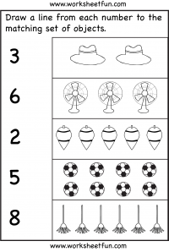
 |  |  |  |  | 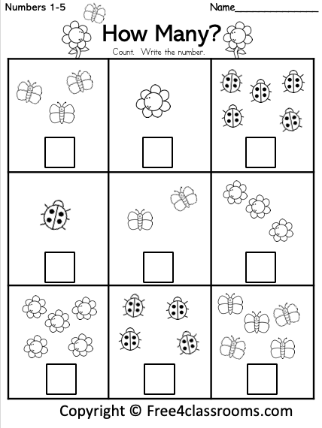
79 | My Lovely Bird | 1 | Math :Write numbers 11to 20 (numeric),Count objects using numbers 11to 20,Count forward and backward from 1to20,Identify numbers that comes after,before,repersent numbers 1to 20 using number line . | 1. Write The following numbers in numeric form: - Eleven - Sixteen - Nineteen - 9 is between 8 and ______ | 1. Draw a number line to represent numbers from 1 to 10. |  | Creativity in designing the lovely bird.
 |  |  |  | 2. Circle the correct number - Twelve (14,11,12) - Eighteen (13,18,15) - Fourteen (12,16,14) | 2. Draw a number line to represent numbers 1 to 20.
 |  |  |  | 3. True or false - Thirteen in numeric form is 16 - Nineteen in numeric form is 19 | 3. Draw 12 circles
 |  |  |  | 4. What number comes before - 8 - 11 - 6 - 18 | 4. Fill in the blanks - 12, 13, ....., ....., 16, ..... - ....., 9, 10, .....,....., 13 - 17, 16, .....,....., 13, ....., ..... - 13, ......, ......, 10, ......, 8
 |  |  |  | 5. What number comes after - 9 - 14 - 5 - 17 | 5. Count forward startigng from 14 and ending at 20
 |  |  |  | 6. True of false - 7 comes after 5 - 13 comes before 14 - 8 comes after 7 - 15 is between 14 and 17 | 6. Count backward starting from 12 and ending at 5
 |  |  |  | 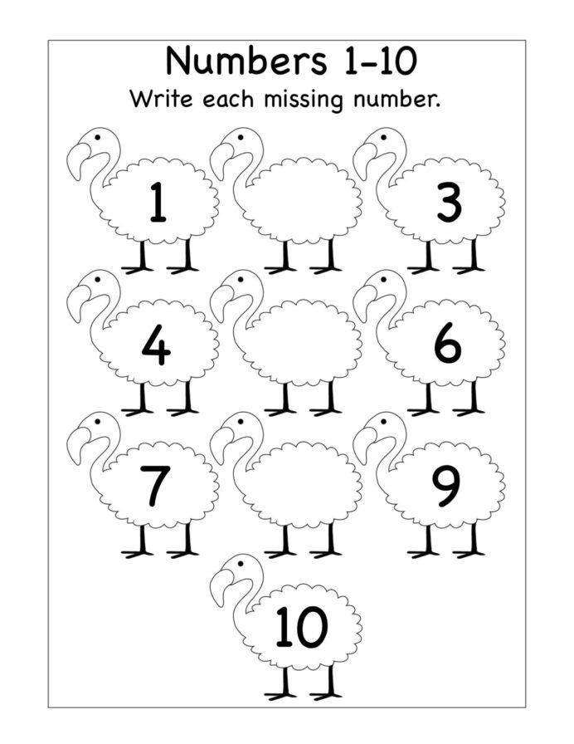
 |  |  |  | 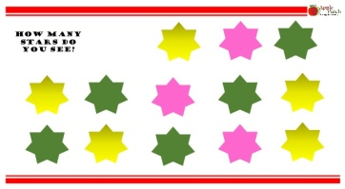
 |  |  |  | 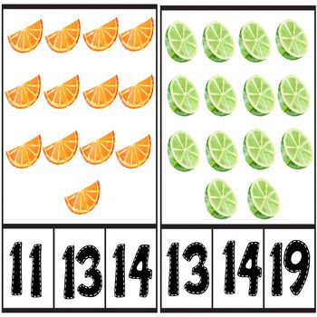
 |  |  |  | 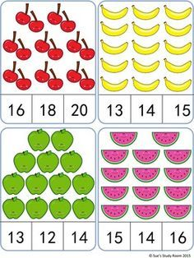

80 | My Organs T-shirt | 3 | Science :Identify the internal organs and the function of respiratory system. Identify the internal organs and the function of Urinary system. Identify the internal organs and the function of Digestive system, Draw the main organs of digestive, respiratory, circulatory and urinary. | 1. True or false - The mouth and nose are parts of respiratory system - Arteries carry blood back to the heart | 1. Draw the following organs - Kidney - Lungs | 1. What happens if you do not apply pressure to a cut? Why? | 1. Creativity in designing My Organs T-Shirt.
 |  |  |  | 2. Where is the respiratory system located? | 2. Compare between the process of inhalation and exhalation (mention 2 differences ). | 2. Is the diaphragm important in the process of breathing. Why or why not?
 |  |  |  | 3. What happens to size of chest when we breath out (i.e. exhale)? | 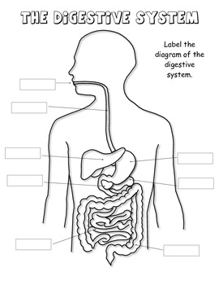 3. The stomach acts as a blender. Explain why this is true.
 |  |  |  | 4. What is the main function of circulatory system? | 4. What is the difference between the functions of the small intestine and large intestine? | 4. Name the system below and label its organs:
 |  |  |  | 5. Complete the following sentence: During exercise, your heart beats ............. |  | 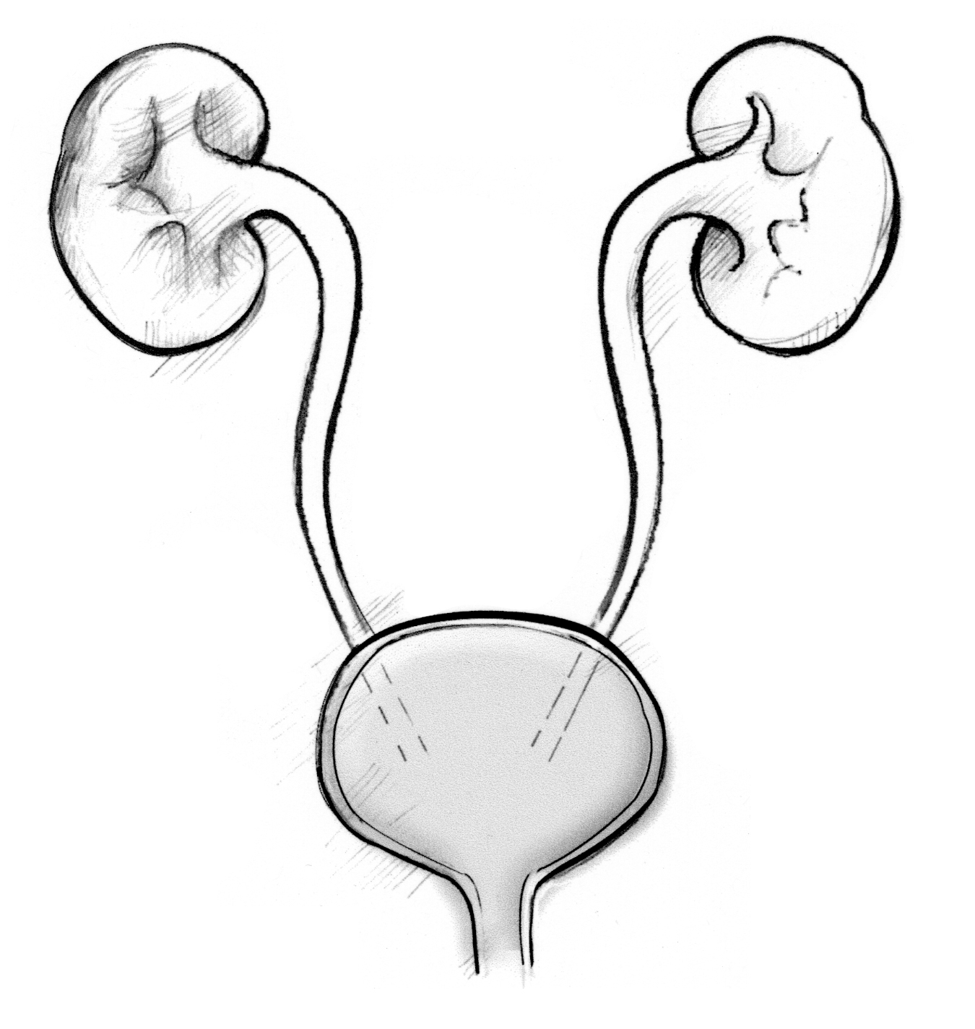
 |  |  |  | 6. How does your body get rid of carbon dioxide ?
 |  |  |  | 7. The kidneys, ureters, bladder are parts of the .......................system .
 |  |  |  | 8. Where does digestion start?
81 | Understanding Infections and Vaccines | 3 | Science: Understand the cycle of infection Understand how microorganisms cause infections. Understand what a vaccine is and how it speeds up our response to infection Understand and explain herd immunity. | True or false, all living organisms are made up of cells AND all living organisms can reproduce. | 1. Calculate the percentage of individuals vaccinated in an area. The total number of people in the area is 10,508 and the number of people who have been vaccinated is 3782. | 1. How do vaccines speed up our response to infections? | Creativity: Creating an information brochure on vaccines to educate the public.
 |  |  |  | 2. What are some symptoms of a viral or bacterial infection (when you are sick)? | You are asked to write an article for your local/school newspaper on vaccines and/or vaccine discovery. What information will you include? Write three to four points. | 2. What is herd immunity?
82 | Our House Rules to Keep COVID-19 Away | 1 | Science: Define COVID19, its symptoms, and how to avoid it | 1. What is COVID-19? | 1. Kamal is standing in line at a grocery store. He is standing 1 meter away from someone. How much (and in what direction) should Kamal move to protect himself from possibly contracting COVID-19? | 1. What are 2 things people can do to protect themselves and others from COVID-19?
 |  |  |  | 2. How does COVID-19 spread? a) when someone who has COVID-19 sneezes next to someone who is not wearing a mask and does not have COVID-19 b) any time someone goes leaves their house |  | 2. True or false: to protect ourselves from COVID-19, we should stand 2 meters away from others when we go outside
 |  |  |  |  |  | 3. True or false: we cannot contract COVID-19 by touching surfaces that are contaminated with the virus (i.e. on which an infected person sneezed or coughed)
 |  |  |  |  |  | 4. True or false: wearing a mask does not protect us from contracting COVID-19
83 | Our House Rules to Keep COVID-19 Away | 2 | Science: Define COVID19, its symptoms, and how to avoid it | 1. What is COVID-19? | 1. Kamal is standing in line at a grocery store. The mixed fraction below represents the distance between Kamal and the person in front of him in meters. Is he safe at this distance? If not, how many steps (and in what direction) should Kamal take to protect himself from possibly contracting COVID-19? Assume that each step is 0.5 meters. 2 1 2 | 1. What are 4 things people can do to protect themselves and others from COVID-19?
...
Note: some images may be out of place. Please contact EAA for assistance if you have any questions |  |  | IFERB Projects Question Bank
No. | Project Name | Level | Curriculum Standards/Learning Outcomes | Knowledge | Skill | Discovery/Conceptual | 21st Century Skills
 |  |  |  | 5. What is inertia? Give any example |  | 5. Explain Archimedes principle of displacement with an example (i.e. experiment)
 |  |  |  | 6. What is a hypothesis? Give any example |  | 6. What is the relationship between the mass of an object and its gravitational pull? OR Which object will fall faster if thrown from a height - a bowling ball or a can of soda? Why?
88 | Acid-Base Reaction Experiment | 3 | Science: Acid-base reactions visualized. Neutralization. Setting up a scientific experiment and developing a hypothesis. | 1. Give two examples of acids | 1. Write a neutralization reaction using one acid and one base. (Hint: acids + bases → salt + water) | 1. What happens when an acid and a base react? What is this phenomenon called?
 |  |  | Language: Writing a scientific experiment report; Presenting research findings | 2. Give two examples of bases | 2. Compare between acids and bases using two differences | 2. True or false: the following are the steps of the scientific method in order: a) come up with a research question b) write the hypothesis c) conduct the experiment d) observe and collect information d) draw conclusions and determine whether the hypothesis is true or false
 |  |  |  | 3. True or false: water and cooking oil are basic | 3. Measure the circumference of the following circle. (Hint: circumference of a circle = πd) | 3. What happens to an egg that is submerged in vinegar for 10 days? Explain why this happens.

89 | Our Big Big Earth | 3 | English: describing observations, basic comprehension, writing | 1. List five launguges spoken in different countries around the world | 1. The world population is 7.9 billion as of April 2021 and grows by 1% each year. Estimate the global population in April 2022 | 1. True or false: Africa has the highest population and covers the largest surface area of the earth compared to other continents
 |  |  | Social studies: environment and culture basics, basics of surroundings and local area, describing their area/demographic | 2. Name a country that produces the following: cotton, wheat, petroleum | 2. The total surface area of the earth is 510 million square kilometer and the total surface area covered by land is 149 million square kilometer. What percentage of the earth's surface area is covered by land? | 2. Give two examples in support of the following statement: despite our differences, the world is very connected and interdependent
 |  |  |  | 3. Name the major oceans of the world
90 | Let's Share a Smile | 3 | Science: Structure of tooth, good oral hygiene habits, good and bad foods for teeth, causes of tooth decay, how to prevent tooth decay | 1. List 4 habits we should maintain to keep our teeth healthy | 1. Label the following: | 1. Layla's tooth fell and she used it to conduct the following experiment: she submerged it for a week in a glass of milk. What will Layla notice when she takes it out of the glass after one week? Explain why. What would have happened if she had submerged it in a glass of soda?
 |  |  |  | 2. True or false: cleaning our tongue helps prevent bad breath | 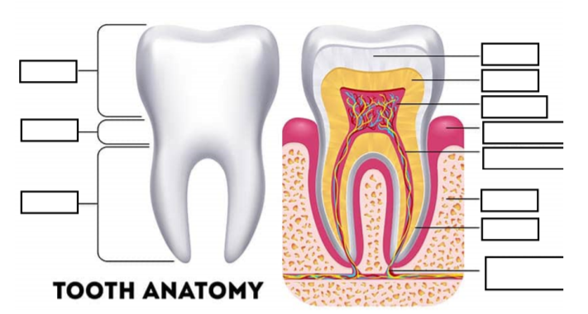 | 2. Describe the role of the following teeth when you eat an apple: incisors and molars
 |  |  |  | 3. Complete the following sentences: a) the chisel-shaped front teeth are called ________ b) the sharper teeth on either side of incisors with one pointy tip (or cusp) are called ________ c) the teeth that come after canines and have two points or cusps are called ________ d) the wider back teeth with four or five points/cusps are called _________ |  | 3. Why is it important to brush your teeth with a fluoride containing toothpaste?
 |  |  |  |  |  | 4. True or false: if you brush your teeth with a fluoride containing toothpaste, it is safe to consume sugary foods and drinks
91 | Journey Around the Globe | 2 | Social studies: introduction to diversity, interconnectedness and trade, tolerance of religious, cultural difference, methods of interview, consideration of culture | 1. How many countries are there in the world? | 1. An airplane flying at a speed of 900 km/h takes off from Rabat, Morocco and reaches its destination - Cape Town, South Africa in 12 hours. What was the distance covered by the airplane during this trip? (Hint: distance = speed x time) | 1. Fill out the following details for any country of your choice: a) Country and capital: ___________ b) Continent: ___________ c) Currency: ___________ d) Popular sport: ___________ e) Popular traditional dish or festival: ___________ f) National religion (if any): ___________
 |  |  |  | 2. What are the three modes of travel? Give an example of each | 2. Look at the world map below and write the names of 3 countries located to the northwest of China (expand image for learner) | 2. Many foods we eat and things we use/do in our daily lives originally came from other countries. Give any 3 examples.
 |  |  |  | 3. True or false: the distance between Turkey and Canada is less than that between Turkey and China (Note: replace these countries with any 3 that your students have learned about in this project) | 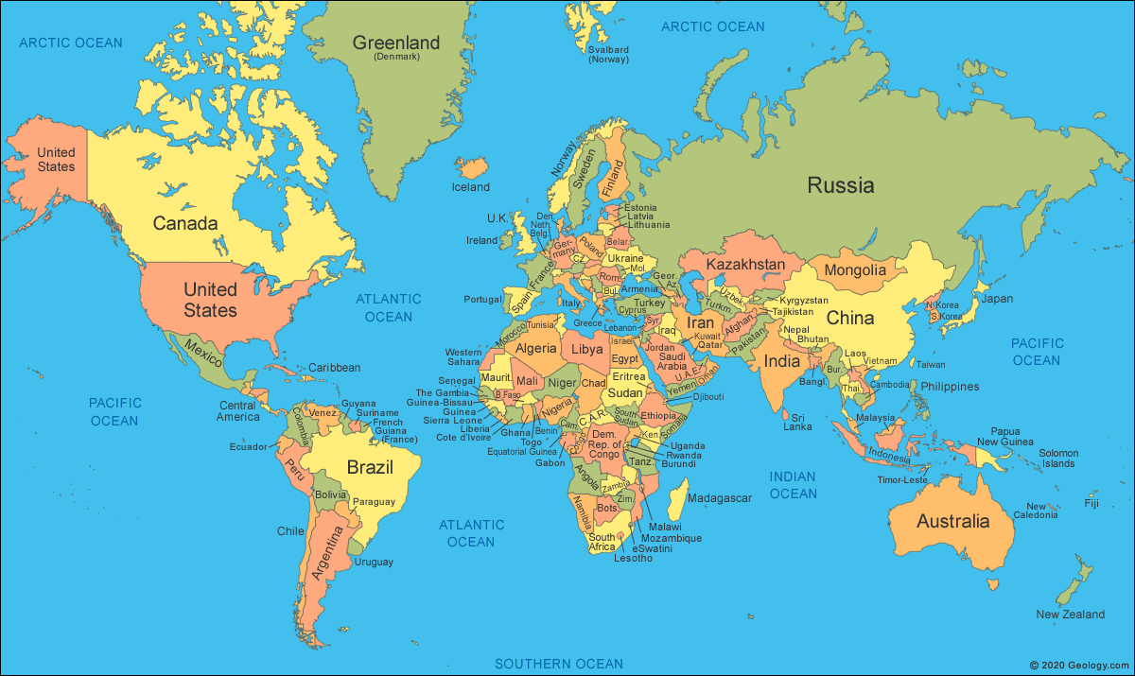 | 3. Why do countries trade with each other? Give 2 reasons.
92 | Mihnati (My Career) | 2 | Social studies: Role of environment in career choice - Natural resources and their impact on popular occupations, Role of interests, skills and traits in determining career choice, Traditional occupations of Qatar and connection between environment and occupation in context | 1. Give 3 examples of natural resources a country can have | 1. Amal grew up on a farm in a small village in Lebanon. She has recently graduated high school and started exploring career options to decide on what she should study in college. Help Amal decide on a career path to follow by providing 2 examples of careers she can pursue after graduating college. Assume that she wants to stay and work in the village. | 1. Write one difference between a career and an occupation
 |  |  |  | 2. Give 2 examples of careers based on natural resources | 2. What do you think are the most popular careers in Qatar? Give one example and provide reasons for your answer (Note: there is no right or wrong answer as long as the learner demonstrates critical thinking skills and gives context/resource-based reasons) | 2. What are the three factors that one must consider when deciding on a career?
 |  |  |  |  |  | 3. Explain how the internet has affected career decisions
 |  |  |  |  |  | 4. Name 3 traditional occupations of Qatar
 |  |  |  |  |  | 5. The traditional weaving technique used by Qatari women was called ________
 |  |  |  |  |  | 6. What are some of the dangers of pearl diving? Give 2 examples
93 | Shake it Up | 2 | Tectonic plates and layers of the Earth Movement of the tectonic plates Formation of geographical features Earthquake resistant structures | 1. True or false: mountains result from the movement of tectonic plates | 1. What are two most important characteristics that make structures Earthquake resistant? | Tectonic plates can be compared to orange peels floating on a bath tub, can you think about another example of somethig that tectonic plates can be compared to
 |  |  |  | 2. Give three examples of things you should do in case of an earthquake | 2. Write down an explanation the process by which mountains are formed. | What's the cause of earthquakes?
 |  |  |  | 3. What's the name of the slow moving pieces that make up the Earth? (R: Tectonic Plate) | 3. Write a list of instructions that would guide your family in what they should do in case of an earthquake
 | Make your own poem | 0
94 | Make your own poem | 1 | Word Knowledge and sight words - Recognize a range of familiar words in print. 2. Alphabetic and phonic knowledge - Understanding of CVC (consonant vowel consonant) words 3. Independently writing some high-frequency words 4. Composing a sequenced story | 1. Give two examples of words that rhyme with "ball" | 1. Write down a list of 20 CVC words. Group them in three different families (e.g. the "at" family may include hat, bat, cat, rat,etc.) | True or false: cat rhymes with mop
 |  |  |  | 2. Give two examples of CVC words (mat, cat, pen, sun, etc.) | 2. Tell a story about a small toy car
 |  |  |  | 3. Give two examples of words that rhyme with "pen" | 3. Write two more lines to finish the following story: "The red cap Began to flap When Sam had a nap ..."
95 | Sounding it Out | 1 | 1. Understanding how sound travels 2. Quality of sound, vibrations, pitch and timbre 3. Learning patterns through beat and rhythm 4. Using CVC words and rhymes | 1. What are CVC words? Give two examples of CVC words | 1. Use colors to represent a sound pattern with three different sounds | 1. Define pitch. Give an example of a low pitch sound. Give an example of a high pitch sound
 |  |  |  | 2. True or false: pitch, loudness, and density are characteristics of sound | 2. Compare a sharp and a muffled sound | 2. Explain how does sound travels to your ears
 |  |  |  | 3. Define rhythm | 3. Write a rhyme in an AA-BB scheme for a four line poem (e.g. Lucy is my little yellow cat; She loves to sleep on my mat; All day long we run; And play in the sun)
96 | Sounding it Out | 2 | 1. Understanding how sound travels 2. Quality of sound, vibrations, pitch and timbre 3. Learning patterns through beat and rhythm 4. Using CVC words and rhymes | 1. Define pitch. Give an example of a low pitch sound. Give an example of a high pitch sound | 1. Choose one of these gaphs and explain it. | 1. Explain the difference between pitch and timbre
 |  |  |  | 2. What are CVC words? Give two examples of CVC words | 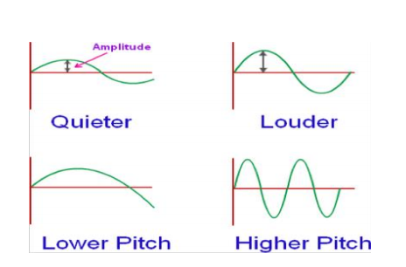 | 2. Explain how does sound travels to your ears
 |  |  |  | 3. True or false: pitch, loudness, and density are characteristics of sound. Explain | 2. Write a rhyme in an AA-BB scheme for a four line poem (e.g. Lucy is my little yellow cat; She loves to sleep on my mat; All day long we run; And play in the sun) | 3. Draw the process of sound traveling from an instrument to your ears
97 | Sounding it Out | 3 | 1. Development of the different instruments 2. Observations on vibrations, timbre, loud – soft, quality of sound etc. 3. Development of the walkie-talkie phones 4. Creation of the sound patterns 5. Development of the final music piece 6. Consistency of the mood of the song on the tempo and lyrics 7. Depth and relatability of the lyrics of the song 8. Rhyme and meter of the song | 1. True or false: pitch, loudness, and density are characteristics of sound. Explain | 1. Choose one of these gaphs and explain it. | 1. Explain the difference between sound traveling by air and sound traveling through solids
 |  |  |  | 2. Define pitch. Give an example of a low pitch sound. Give an example of a high pitch sound |  | 2. Explain the reasons why you like your favourite songs using some of the following concepts: rhyme, lyrics, pitch, meter, beat, etc.
 |  |  |  | 3. Define the meter or the beat of a song | 2. Write a rhyme with each of the following schemes: AA-BB AAAA ABAB | 3. Explain why sound travels through the walkie talkies
98 | What's the price | 1 | 1. Concept of standard weights and measuring scale 2. Basic addition, subtraction and multiplication functions 3. Completing and computing tally charts 4. Shapes and writing of numbers 5. Concept of price, inventory lists and advertisements | 1. Define price | 1. A customer bought 3 apples for 5 dollars, 10 bananas for 2 dollars each, and a bag of candy that cost 3 dollars. They payed with 2 50 dollars bills. Calculate the price of the total bill based on what customers have purchase and/or calculate the difference and give the costumers the change back. | 1. What criteria can you use to decide the price of an item in your store? Give two.
 |  |  |  | 2. An inventory is a list of ________ (prices, items) | 2. Gather information about the most useful items for your family by making a tally chart where you list the items and count how many family members use it. | 2. Think about the items that will be most popular for people to buy in a grocery store. Make a tally chart for these.
 |  |  |  | 3. True or false: | 3. Use ">" and "<" to compare the weigts of the folllowing fruits: -banana ____ Pineapple -grape ____ Orange -Apple ______ Grape | 3. How can you tell if an object is heavier than other one?
99 | Make my Own Country | 1 | • Understanding of the impact of a country’s location and climate on elements of culture, vegetation and animal life • Understanding animal adaptations • Design of maps and representation of geographical and political features | 1. Define adaptation | 1. Select the three most important characteristics of your country. Explain why they are the most importants | 1. Explain how your country's location and climate impacts the culture
 |  |  |  | 2. Give two examples of adaptions from two different animals | 2. Make a map of your country on a plain paper marking and labeling the neighboring countries, adjacent water bodies, the country, the capital, the geographical features. | 2. Define culture
 |  |  |  | 3. List the neighboring countries or landmarks that limit with your country |  | 3. Define vegetation
...
Note: some images may be out of place. Please contact EAA for assistance if you have any questions |  |  | IFERB Projects Question Bank
No. | Project Name | Level | Curriculum Standards/Learning Outcomes | Knowledge | Skill | Discovery/Conceptual | 21st Century Skills
 |  |  |  | 3. How was the written language developed? Use the example of "Chinese wispers to explain" | 3. Think of signs for 5 of the most common words you use. Try and do a sentence by acting it out/signing it out.
 |  | 2 | 1. Understanding of the history and evolution of language especially from oral to written language 2. Understanding the different types of language for those with visual or auditory impairments 3. Understanding numerical concepts and patterns through written language | 1. Give two examples of a glyph | 1. Think about an emotion that you don't think there's a word for. Use glyphs to explain that emotion. Explain the glyphs | 1. List the three most important features of a sign language
 |  |  |  | 2. What are three differences between oral and writtten language? | 2. Think about three common words in your language. Think of how they can draw these words so that everyone can understand them. It is important that this drawing also be easy to copy. | 2. Give two reasons to explain how your experience of language is different from that of someone who can't hear or see.
 |  |  |  | 3. How was the written language developed? Use the example of "Chinese wispers" to explain. | 3. Think of signs for 5 of the most common words you use. Try and do a sentence by acting it out/signing it out.
103 | My Encyclopedia | 2 | -Communicate information appropriately by making sense of print by interacting with books and by talking about stories, words, letters and sounds. -Reading and responding appropriately to sounds and letters -Showing emergent writing behavior -Communicating written information appropriately -Organizing, spelling and punctuating written work appropriately -Developing appropriate writing strategies -Place values of 3 digit numbers -Conversions of fractions, decimal and percentage | 1. Define "encyclopedia" | Add the correct punctuation for thw following sentence: gravity in science, is an invisible force! | 1. Explain the difference between an adjective and an adverb.
 |  |  |  | 2. Give two examples of an adjective; two examples of a noun | Add the correct punctuation for thw following sentence: There is no gravity on space: astronauts have to tie themselves to their bed when they sleep? | 2. List two desirable characteristics of an entry for an encyclopedia
 |  |  |  | 3. ______ are words that describe actions (nouns, verbs, adjectives) | Add the correct punctuation for thw following sentence: cows: give is milk. from which we make products like: cheese, yoguurt, and butter | 3. What is the difference between a noun and a verb?
104 | Beauty in Shapes | 1 | 1. Learning about the characteristics of 2D shapes. 2. Some proportions of the human body. 3. Using the body for spatial measurements and estimations | 1. Give two examples of objects that have triangular shapes | 1. How can you can estimate the height in your toilet or kitchen using the tiles on the wall? | 1. Describe two characteristics of rectangles
 |  |  |  | 2. Give two examples of objects that have rectangular shapes | 2. Can you recreate this pattern? | 2. Which is longer: your height or your fathom? Why?
 |  |  |  | 3. Give two examples of objects that have circular shapes
105 | Create your own Rube Goldberg Machine! | 1 | - Understanding of motion and force - Understanding of an example of a machine that uses force to work - Design and execution of a machine | 1. What is a machine? Give 2 examples of machines. 2. Give 2 examples of machines that need force to move from one point to another. | 1. Design a rube goldberg machine of your own that performs any simple task. Draw the design on paper. | 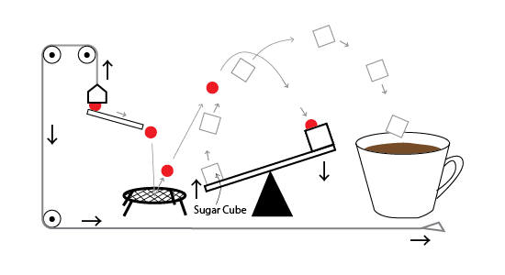
 |  |  |  |  |  | Observe the picture given above and answer the following questions: (a) Is this a Rube Goldberg machine? (b) What does this machine do?
106 | Create your own Rube Goldberg Machine! | 2 | - Understanding of simple and compound machines - Understanding of a Rube Goldberg machine - Design and execution of a machine | 1. Identify whether the following machines are simple machines or compound machines. (i) Screw (ii) Scissors (iii) Inclined Plane (iv) Car (v) Wheel and Axle 2. Which of the following objects are machines and why? (i) Book (ii) Bicycle (iii) Clothes (iv) Stapler | 1. Design a rube goldberg machine of your own that performs any simple task. Draw the design on paper. | 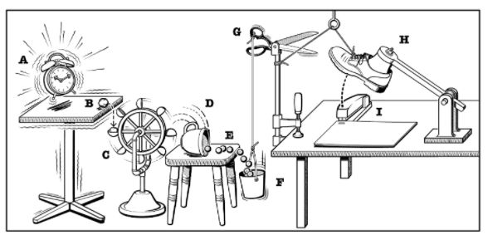
 |  |  |  |  |  | Observe the picture given above and answer the following questions: (a) Is this a Rube Goldberg machine? Why or why not? (b) What does this machine do? (c) Explain the role that the following items in the machine play: - Tea Cup - Scissors - Shoe
107 | Create your own Rube Goldberg Machine! | 3 | - Understanding of simple and compound machines - Understanding of a Rube Goldberg machine - Design and execution of a machine | 1. What are simple machines? Give 2 examples. 2. What are compound machines? Give 2 examples. 3. Which of Newton's three laws of motion do the following examples show? Write the law for each. (i) It is easier to push an empty bag than a full bag because the empty bag has less mass and therefore needs less force. (ii) When you kick a football, it does not stop moving until another player or the goal post stops it. (iii) When air rushes out of a balloon, the balloon flies in the opposite direction. | 1. Design a rube goldberg machine of your own that performs any simple task. Draw the design on paper.
 |  |  |  |  |  | Observe the picture given above and answer the following questions: (a) Is this a Rube Goldberg machine? Why or why not? (b) What does this machine do? (c) Which event triggers the machine? (d) In Event H, the shoe remains in that position until the string is cut. Which law of motion does this show? (e) Give an example of kinetic energy transfer in the machine.
108 | Fun Drawing With Mathematics | 3 | - Using grids for graphing and estimating areas - Practicing geometric reflection and simple rotation of 2-d shapes - Constructing complex drawings using grids and transformations | 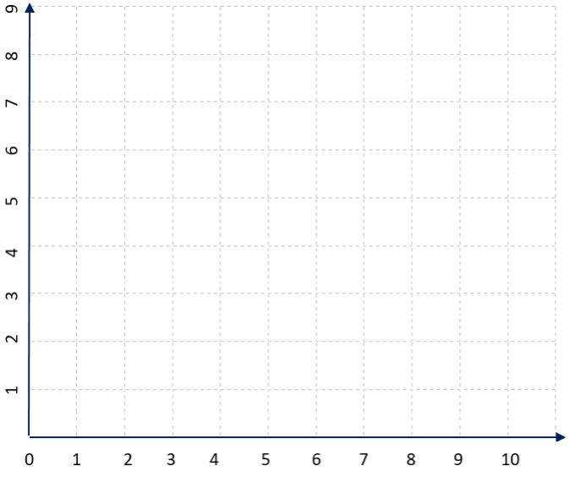 | 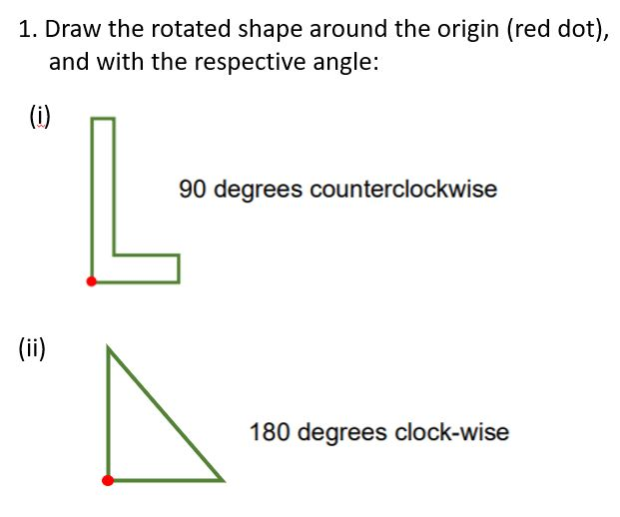 | 1. Read the following statements and write whether they are true or false: (a) While rotating an object, the size of the object stays exactly the same. (b) While rotating an object, the shape of the object changes. (c) The reflection of an image is smaller than the original image. (d) The letters 'A', 'B' 'H' and 'W' are not symmetric. (e) The letters 'L', 'Q' and 'P' are not symmetric. 2. In the image given below, (a) Draw the reflection of picture on the other side. Which animal does the drawing show? (b) Identify the axis of symmetry.
 |  |  |  | 1. In the grid given above, (a) Draw the points A(3,2), B(9,2), C(9,7), D(7,5) and E(3,9). (b) Connect the points and calculate the area of the shape.
 |  |  |  | 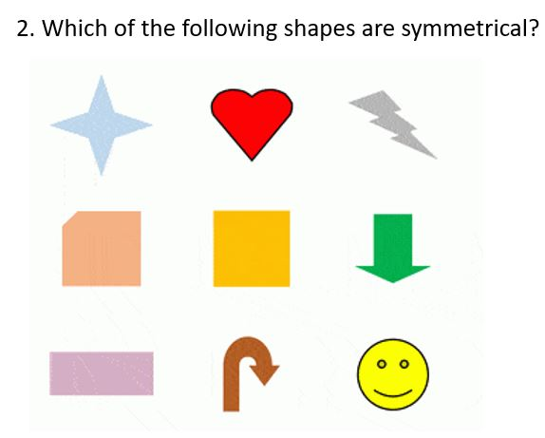 | 2. If you are facing East (where the sun rises) and if you rotated 90-degrees in the clock-wise rotation, which direction would you be facing? | 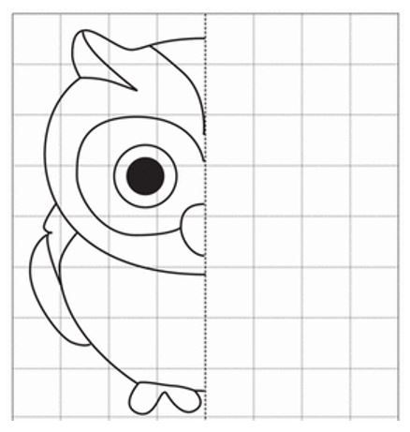
109 | Football for Thought | 3 | 1. Heart Rate and how to measure it 2. Aerobic and Anaerobic respiration 3. General knowledge about Football (pitch & team formations) 4. Balanced diet recommended for football players | 1. Aria is 20 years old. What is the Maximum Heart Rate (MHR) - the limit her heart rate should not exceed? 2. Why does our heart rate increase while exercising? 3. Explain the difference between aerobic and anaerobic respiration. | 1. Observe the image below, and answer the following questions: (a) What is the formation of the blue team? (Defenders - Midfielders - Forward) (b) What is the formation of the red team? (c) In which position would you place the fastest sprinters? Why? (d) In which position would you place footabllers with high endurance and the ability to make long passes? Why? (e) A 'digit' is the width of your finger. If you had to create a model of a football pitch to scale and the length of the pitch was 130 yards, how many digits would you count to draw the length? | 1. Imagine you are a chef. Using the information provided in the table below, suggest a balanced diet that: (i) a football player can have for lunch. (ii) an average person can have for lunch. (For example, 1 cup of rice, 1 loaf of bread, etc.)
 |  |  |  |  | 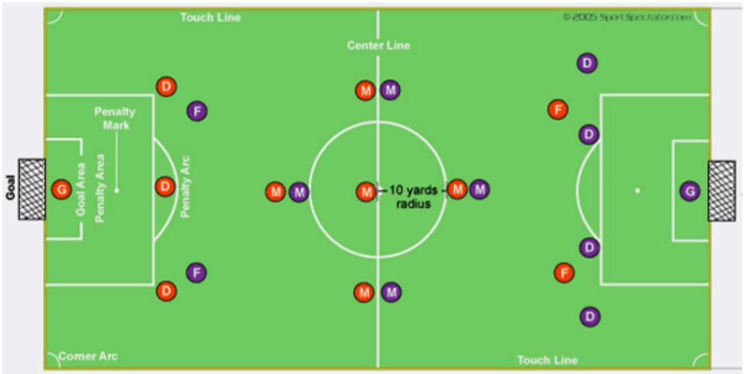 | 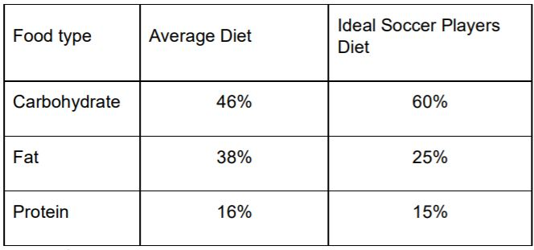
110 | Write an Issue Letter | 3 | 1. The learner will identify issues in his/her community that need change. 2. The learner will think critically about the arguments for and against creating that change. 3. The learner will think systematically about the actions needed to make that change happen and any possible limitations related to taking these action steps. 4. The learner will be able to articulate the format of a formal letter. | 1. Write two arguments for making smartphones or computers more affordable. 2. Re-arrange the following elements of a formal letter in the correct format. - Subject of the letter - Greeting - Sender's name and address - Body of the letter - Complimentary closing - Receiver's name and address - Date - Name - Signature | 1. Write a letter to the editor of a daily newspaper explaining why your community should reduce the use of plastic and other disposables. | 1. John wants to the school day to be shortened from 7 hours to 4 hours. To be able to draft a strong issue letter, he wanted other people's opinions on the topic. Write 3 possible concerns the target audience might have about shortening school days and ways you could address each concern.
111 | Robot Games | 1 | - Logical thinking and problem solving | 1. Observe the following code. Shorten the code by using the repeat or counting function. Original code: • Start • Move forward • Move forward • Turn right • Move forward • Move forward • Pick up toy • Move forward • Move forward • Turn right • Turn right • Move forward • End | 1. Observe the picture given below. You must help the robot destroy the evil alien and save the world. (a) Write a function called 'Destroy' in which the robot attacks the evil alien and wins. (b) Write the code for the robot to reach the evil alien from its starting point and save the world. Use the function 'Destroy' in your code. | 1. Write the code for a person to write a sentence in a notebook placed 4 steps away on a table. 2. How does writing codes help us? Give examples of 2 places where coding is used.
 |  |  |  |  | 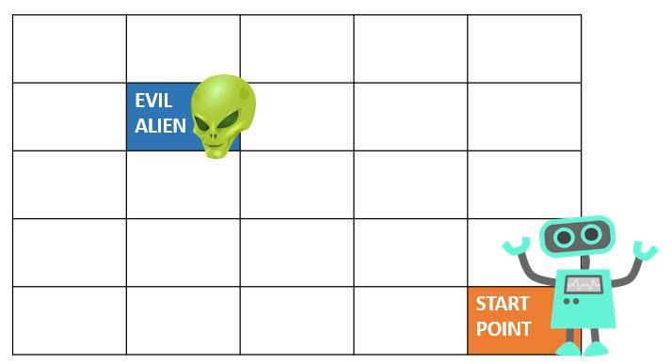
112 | Bonding with Numbers | 1 | - Add numbers and the sum is up to 10 - Recognize the number bonds for all numbers 1-10 | 1. Which of the following are number bonds for the number '5'? - (2, 3) - (4, 4) - (4, 1) - (2, 5) 2. Identify the missing numbers in the number bonds given below. | 1. Create five number bonds for the number 8. 2. Categorise the following words as 'Whole' or 'Part' in the table below. Screen, Leaves, Arm, Sleeve, Tree, Shirt, Body, T.V (One has been done for you.) | 1. You had 6 oranges. You gave 3 oranges to your mother. How many oranges do you have to give to your brother? 2. Tara and Ali created a game. Four cards are given to each player. The player who has two cards that add up to make the number 9 wins. Look at the cards that Tara and Ali have. Who will win the game?
 |  |  |  | 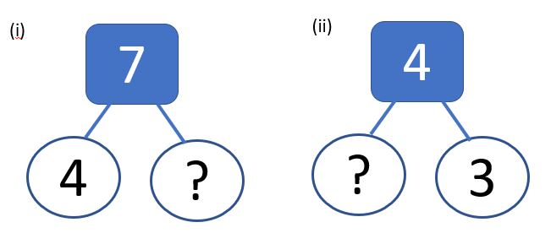 | 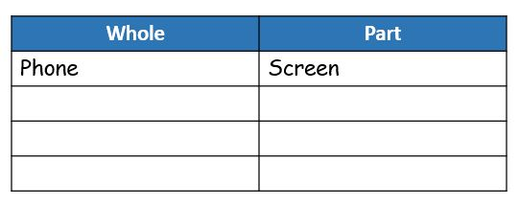 | 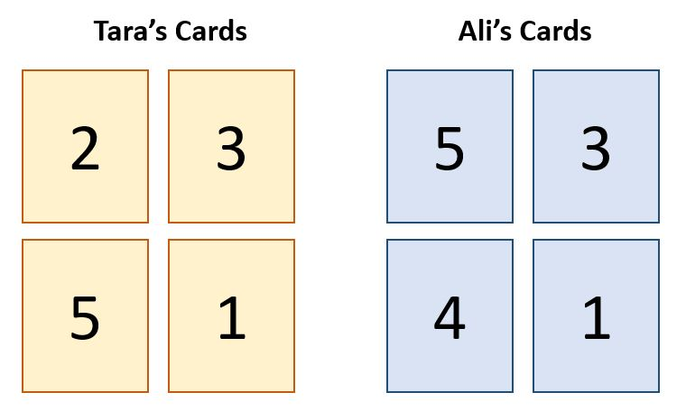
113 | My Place Value Machine | 1 | - Understand number bonding - Understand and recognise place values of numbers | 1. Write the number names of the following numbers. 20, 9, 12, 29, 33, 37 2. Match the number in the standard form with its expanded form. | 1. Which numbers do the following place value charts represent? | Give 3 examples from your daily life where you use counting.
 |  |  |  | 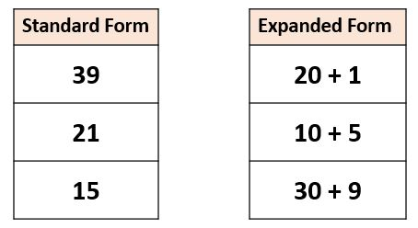 | 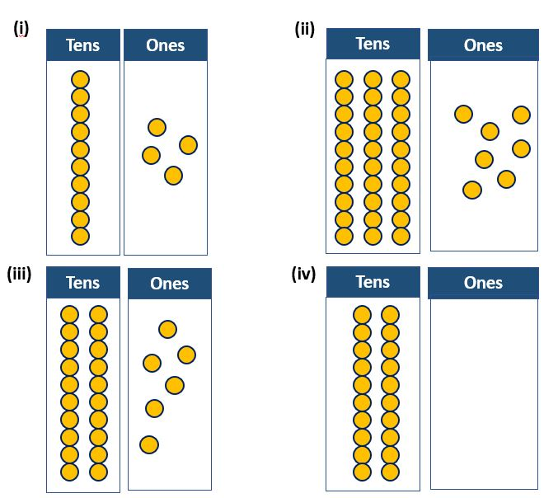
114 | Probability Matters | 1 | - Calculate the probabilities of tossing a coin. - Collect data on the chances of an outcome. - Understanding the difference between likely and unlikely outcomes. - Write some words related to probability (likely, unlikely) | 1. There is a bag with 6 balls of two colours - red and blue. Mona picked a ball out of the bag and wrote down which colour she got in the table below. (a) What is the probability that Mona gets a red ball? (b) What is the probability that Mona gets a blue ball? (c) What is the probability that Mona gets yellow ball? | 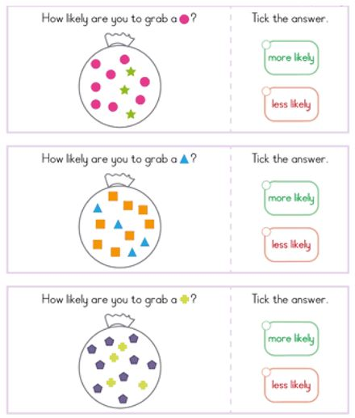 | Give three examples each of activities from the world around you that are: (a) Likely to happen (b) Unlikely to happen
 |  |  |  | 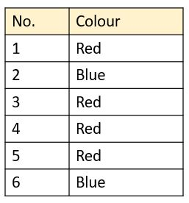
115 | Probability Matters | 2 | - Calculate the probabilities of tossing a coin/coins. - Calculate the probability of rolling one dice and two dices. - Collect data on the chances of an outcome using tables. - Understanding how to use a Venn diagram to represent and calculate the probability of outcomes. | 1. Two coins were tossed six times and the outcomes were noted in the table given below. (a) What is the probability of getting two heads? (b) What is the probability of getting one head and one tail? (c) when we add the probabilities of all the outcomes, the answer is _________ (d) How many different outcomes are possible when 2 coins are tossed? (e) If 3 coins were tossed instead of 2, how many different outcomes are possible? | 1. In a class of 20 students, 4 students like cakes, 10 students like chocolates and 6 students like both cakes and chocolates. (a) Draw a venn diagram to represent the situation. (b) Calculate P(chocolates) (c) Calculate P (cakes and chocolates) (d) If a teacher had to place an order for cakes and chocolates for a class party in the same school, which one would she order more of? Why? | Design a game using household objects to explain probability to a friend.
 |  |  |  | 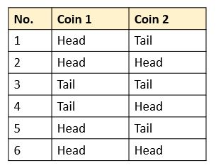
116 | Probability Matters | 3 | - Calculate the probability of rolling specific numbers in one or two dices. - Collect data of chances of daily life outcomes using tables. - Understand the applications of probability in daily life - Developing games - Draw tree diagram and calculate the probability of outcomes | 1. Two coins are tossed. (a) Draw the tree diagram to show the possible outcomes (b) Calculate the probability of getting two heads. (c) Calculate the probability of getting a head on the first coin and a tail on the second coin. 2. Two dices are rolled. (a) What are the chances of getting (7,2)? (b) What is the probability of getting the number 5 on one dice? Use the table given below for reference. (c) How many different outcomes are possible when you roll to dices? | 1. As per a weather report, it was rainy for 3 days out of 10 days. (a) Calculate the probability of the weather being rainy in a given week and express it as a percentage. (b) Based on the probability, would you advise your friend to carry an umbrella? 2. Identify whether the following outcomes are 'likely' or 'unlikely'. (i) 20% of a community's population is diabetic (have high sugar levels). The next generation will have low rates of diabetes. (ii) A human being will be born with three eyes in the near future. 3. Look at the spinner given below and answer the following questions (a) What is the probability of the spinner landing on the letter 'C'? (b) The probability of all the possible outcomes will add up to the number _________. (c) What is the probability of the spinner landing on one of the first 5 letters of the alphabet? | 1. Give 2 examples from the world around you where probability is used and how it is helpful to us. 2. Design a game using household objects to explain probability to a friend.
 |  |  |  | 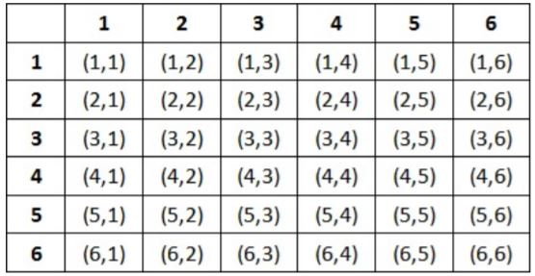 | 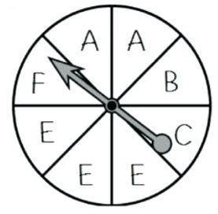
117 | Empathy Museum | 3 | Identify and explain different points of view in a story or a given situation. Explain commonly used idioms. Conduct an interview effectively. Write an empathetic response. | 1. Choose the correct usage of the idiom “walk a mile in their shoes”: (a) Can she walk a mile in their shoes? She needs it for the race. (b) Borrow her shoes, tie the laces and walk a mile in them for today. (c) Walk a mile in my shoes before you tell me I made the wrong choice. 3. Fill in the blanks using the words ‘empathy’ or ‘sympathy’. (a) The father felt ________________ with his son when he was upset about not doing well in his exams. “This has happened to me too. You will bounce back, son,” said the father. (b) She felt ________________ for the old patients at the hospital. | 1. Look at the picture given below and answer the following questions: (a) Imagine you are the cat. What would you think, feel, say and do in this situation? Write an empathetic response. (b) What is the boy’s point of view in this situation? | 1. Give 3 examples of how you would show empathy to people you do not personally know, in your day-to-day life. | Communication: 1. Writing an empathetic response. Presenting an empathetic response. 2. Communicating what empathy means to an audience. Creativity: 1. Designing artefacts and activities for the Empathy Museum. 2. Developing an original story using the story elements. Critical Thinking: Explaining different points of views in a given situation.

118 | Patterrns Everywhere | 3 | -Identify different kinds of patterns on daily life -Exemplify how meaning is connected to patterns -Differentiate between data and information, and meaning -Construct a convincing argument to support that patterns are either natural or artificial -Uncover through a pattern design a story or issue that is latent in their communities | What are the two numbers that follow in the sequence: 1 1 2 3 5 8 13 _______ (21, 34) __________ is what we do when we provide examples or details of an idea. (abstraction / specification) A ___________ is an example of a pattern that repeats itself in different scales. (fractal / symmetrical) What is phi? (The irrational number that you obtain when you divide a term in the Fibonacci sequence by the previous one). | 1.Compose a song using three keys (a=clapping, b=stomp right foot, c=stomp left foot) | 1. Explain to someone who is not familiar with the idea what is a pattern 2. Do you believe that patterns are natural or artificial? Give two reasons to support your point. | Communication: -Uncover through a pattern design a story or issue that is latent in their communities Creativity: -Uncover through a pattern design a story or issue that is latent in their communities -Design a musicgram for their favorite song. -Compose a song or choreograph using simple keys Critical Thinking -Exemplify how meaning is connected to patterns -Differentiate between data and information, and meaning
119 | What's so Funny? | 3 | Learning different types of humor; understanding the purpose of comedy and laughter; observing the characteristics of language and literacy that make things funny | 1. Explain what personification means using an example | 1. List one difference between a joke and a riddle | 1. Explain what makes this pun funny: To the guy who invented zero, thanks for nothing
 |  |  |  | 2. List two examples of different types of laughter | 2. True or false: the following figure of speech is an example of a simile: He was as brave as a lion | 2. Humor that involves exaggerated physical activity is called ___________ (options: puns, slapstick, metaphor)
 |  |  |  | 3. What is dark humor? | 3. Give an example of a metaphor | 3. True or false: riddles are worded in a clear and easily understandable manner
 |  |  |  |  | 4. Give any example of an ironic situation
120 | My Coloring Book | 0 | ● Write small and capital forms of the English alphabet ● Sound out the starting letter of multiple objects ● Recognize and draw different shapes ● Recognize different letters ● Understand how letters are used to build words ● Develop and expand vocabulary for objects, animals, people etc. in different contexts ● Count and write numbers from 1-5 | 1. Can you write all the alphabets in small and capital letters. 2. Can you give me a word that starts in _ 3. Count till 5! | 1. .Name animals that start with the letter _ 2.. Name objects that start with the letter _. 3. Write the numbers 1-5 | 1. Draw as many shapes as you can.
121 | ABC By Me | 0 | ● Recognise small and capital forms of the English alphabet in context and in isolation ● Recognize print and associated images ● Understanding the English alphabet ● Understanding characteristics of living and non-living things ● Able to write simple words ● Able to construct simple histograms | 1. Correct the punctuation. i am smart? | Organize ( cat, pencil, dog, flower, tree, book, cup) into living and non living things | Construct histogram based on given numbers
122 | Make Your Own Poem | 0 | -Recognize common types of texts - Poems -Word Knowledge - Recognize a range of familiar spoken words . - Phonological Awareness - Understanding of CVC (consonant vowel consonant) words - Independently writing a few high-frequency words - Understanding rhyming words - Use a combination of drawing, dictating, and writing to describe experiences connected to food or seasons | 1. Circle the oo sound a. moon b. clown c. soon d. spoon 2. Where is the vowel? Where is the constant in these words a. mat b. van c.bug d.top | 1. Can you write a. big b. nose c.cake 2. can you draw or write about what you did in your weekend? | Highlight the vowels in the poem (example of a poem) Are there any words that rhyme?
...

IFERB Assessment Bank 2025
...
No. | Project: | Level: | Curriculum Standards: | Questions: | Type: | Answer: | Suggested Questions
 |  |  | Science: Living and non living, uses of water, water and human body, water bodies, water wastage, water pollution and sickness, basic purification, water animals | What are 2 sources of water? | Knowledge | Accept appropriate answers. e.g Rain, rivers/lakes
 |  |  |  | Write or draw the steps you need to take in order to separate water from sand. | Skill | Accept appropriate answers. e.g Filtration
 |  |  |  | Draw two trees - one that gets water on a regular basis and one that did not get water for two months. | Skill | Accept appropriate answers.
 |  |  |  | Compare between a river, lake and sea. Draw or write two differences. | Skill | Accept appropriate answers. e.g Lakes are surrounded by land, rivers flow and connect to other bodies of water like the ocean while oceans are large bodies of water surrounding a continents
 |  |  |  | What will happen to animals and plants if the river they live in or near dries up? | Discovery | Accept appropriate answers. e.g If the river dries up there is drought, and the animals and plants that depend on it for food and survival will suffer.
 |  |  |  | How would you feel if you did not drink water for one day? | Discovery | Answers may vary e.g Extreme thirst or fatigue
9 | Water is Life | 2 | Math: Simple rulers work, creating and reading tables, tally charts, pictogram graphs, bar graphs, fractions, and percentages. | Fill in the blanks ----% of the human body is water. OR 60% of the human body is -----. | Knowledge | 60% of the human body is water
 |  |  | English: Describing observations, cause, and effect, explaining events, opinion, and logical reasoning, writing. | Change the following % into fractions (simplest form): 80%, 75%, 50%. | Knowledge | For 80% the percentage is over 100 change % to 100 therefore; 80 divided by 100 breakdown- 8 divided by 10 = 4/5 80% in its simplest form as a fraction is 4/5 75%= 75/100 = 3/4 50%= 50/100 = 1/2
 |  |  | Science: Living and non-living things, uses of water, water, and human body, water bodies, water wastage, water pollution and sickness, basic purification, water animals, water cycle, methods to manage water | Define the following: evaporation, condensation, precipitation | Knowledge | Evaporation- this is when a liquid changes to gas like boiling water. Condensation- this is the opposite of evaporation; it is when gas changes to a liquid when it touches a cooler surface like when you breathe on a cold window and fog forms (water) Precipitation- it is liquid or frozen water that forms in the atmosphere and reaches the ground like rain/snow
 |  |  | Social studies: Uses of water, water and human body, water bodies, water wastage, water pollution and sickness, basic purification, water animals, water cycle, methods to manage water well uses and alternatives to plastic | Draw a labeled diagram of the water cycle. | Skill | Accept appropriate answers.
 |  |  |  | Use the following data to represent using a bar graph: Water body Number of sea animals Sea 120 River 80 Lake 50 | Skill | 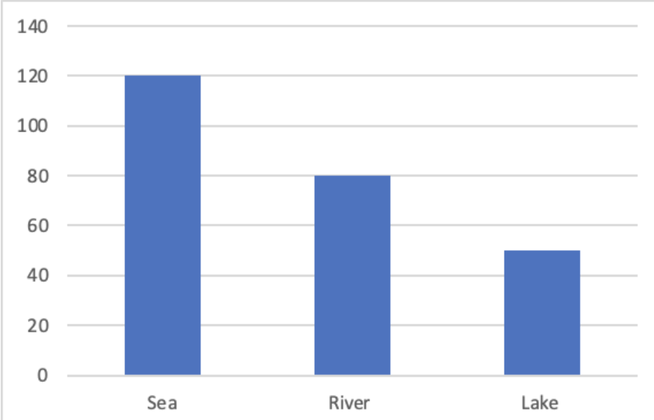 It should look something like this:
 |  |  |  | Compare between the following and give examples: evaporation, condensation & precipitation. OR Choose the correct option: a. Steam from hot food or tea is an example of ------------- (evaporation, condensation, precipitation) b. Water drops on the mirror in a hot bathroom is an example of ------------- (evaporation, condensation, precipitation) c. Rainfall is an example of ------------- (evaporation, condensation, precipitation) | Skill | Evaporation- this is when a liquid changes to gas like boiling water Condensation- this is the opposite of evaporation; it is when gas changes to a liquid when it touches a cooler surface like when you breathe on a cold window and fog forms (water) Precipitation- it is liquid or frozen water that forms in the atmosphere and reaches the ground like rain/snow OR a- evaporation b- condensation c- precipitation
 |  |  |  | What will happen if we drink polluted water? | Discovery | Accept appropriate answers. e.g It will lead to water-borne diseases like cholera/typhoid
 |  |  |  | List 3 steps we can take to save water. | Discovery | Accept appropriate answers. e.g Turn off the water while brushing your teeth
10 | Water is Life | 3 | Math: Simple ruler work, creating and reading tables, tally charts , pictogram graph, bar graph, pie graph, fractions, percentages, drawing circle using a compass, convert percentages to fraction, convert fractions to percentages | Calculate area of circle with diameter 14cm (π = 3.14) | Knowledge | The area of a circle is given by the formula: Area = π * (diameter/2)² where π (pi) is a mathematical constant approximately equal to 3.14, and the diameter is the distance across the circle passing through its center. So, for a circle with a diameter of 14 cm, we have: Area = π * (14 cm/2)² Area = 3.14 * (7 cm)² Area = 3.14 * 49 cm² Area = 153.86 cm² (rounded to two decimal places)
 |  |  | English: Cause and effect, making requests and suggestions | Calculate area of square with side length 9 cm. | Knowledge | The area of a square is given by the formula: Area = side length * side length So, for a square with a side length of 9 cm, we have: Area = 9 cm * 9 cm Area = 81 cm²
 |  |  | Science: Water cycle, methods to manage water, states of matter of water, basic density, particles as units, processes of water purification/pollution | What are the three states of matter? | Knowledge | They are solid, liquid and gas.
 |  |  |  | What is diffusion? | Knowledge | Diffusion is the movement of particles from an area of high concentration to an area of low concentration, and an example of diffusion is the way perfume spreads throughout a room.
 |  |  |  | Define any of the following: evaporation, condensation, precipitation | Knowledge | Evaporation- this is when a liquid changes to gas like boiling water Condensation- this is the opposite of evaporation; it is when gas changes to a liquid when it touches a cooler surface like when you breathe on a cold window and fog forms (water) Precipitation- it is liquid or frozen water that forms in the atmosphere and reaches the ground like rain/snow
 |  |  |  | Explain with example how diffusion happens (in gases & liquids). | Skill | Accept appropriate answers. e.g the smell of food cooking circulating from the kitchen all around the house, the smell going from one space to another is caused by diffusion.
 |  |  |  | Compare between the following and give examples: evaporation, condesation & precipitation. OR Choose the correct option: a. Steam from hot food or tea is an example of ------------- (evaporation, condesation, precipitation) b. Water drops on the mirror in a hot bathroom is an example of ------------- (evaporation, condesation, precipitation) c. Rainfall is an example of ------------- (evaporation, condesation, precipitation) | Skill | Evaporation- this is when a liquid changes to gas like boiling water Condensation- this is the opposite of evaporation; it is when gas changes to a liquid when it touches a cooler surface like when you breathe on a cold window and fog forms (water) Precipitation- it is liquid or frozen water that forms in the atmosphere and reaches the ground like rain/snow OR a- evaporation b- condensation c- precipitation
 |  |  |  | Represent the following data using a pie chart: Water body % of world water Sea 70% River 20% Lake 10% | Skill | 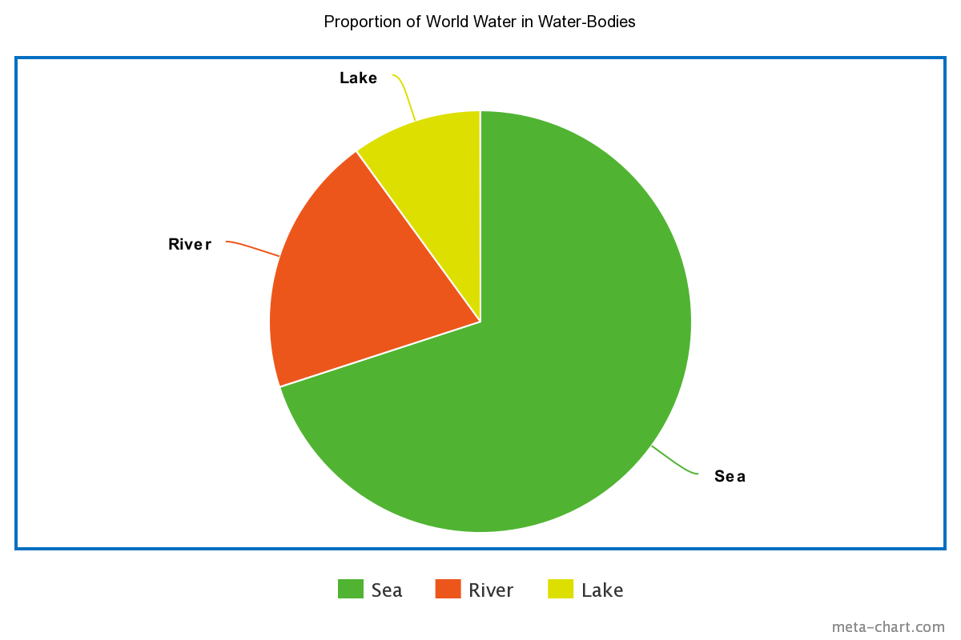
 |  |  |  | What is 70% of the area of a rectangle with length 8 cm and width 5 cm? | Skill | The area of a rectangle with length 8 cm and width 5 cm is: Area = length x width = 8 cm x 5 cm = 40 cm^2 To find 70% of the area, we can multiply the area by 0.7: 70% of the area = 0.7 x 40 cm^2 = 28 cm^2
 |  |  |  | What will happen to you if you only drink salt water? Explain why. | Discovery | Accept appropriate answers. e.g Dehydration
 |  |  |  | Can gases spread out in a solid medium? Why? | Discovery | Gases cannot spread out in a solid medium because the particles of a solid are tightly packed and arranged in a fixed pattern. The spaces between the particles in a solid are much smaller than the size of gas particles, which means there is no room for the gas particles to move in and fill the spaces between the solid particles. In contrast, gases can spread out in a fluid medium like a liquid or a gas because the particles in these media are not as tightly packed as in a solid. The particles in fluids are able to move around and allow gas particles to move in and fill the spaces between them. In summary, gases cannot spread out in a solid medium because the spaces between the particles are too small to allow the gas particles to move in and fill them.
11 | Grandmother's Tale | 1 | English: Simple words, expressing views, relation between image and text, basic stories, basic listening, categorizing words, image and word, action and word, creating own story. | Match the emotion (feeling) Sad Happy | Knowledge | Match the emotion (feeling) Happy Sad
 |  |  |  | What is a folktale? Name two folktales you know. | Knowledge | Accept appropriate answers. eg. A folktale is a traditional story passed down through generations, often used to teach a moral or lesson, eg Little Red Riding Hood and the Tortoise and the Hare.
 |  |  |  | What is a setting? Give examples. | Knowledge | Accept appropriate answers. eg. Setting refers to the time, place, and environment in which a story or narrative takes place.
 |  |  |  | What is a plot in a story? Give an example from a folktale/ story you know. | Knowledge | Accept appropriate answers. eg. Plot is the sequence of events that make up a story, including the exposition, rising action, climax, falling action, and resolution. Example from a folktale: "The Three Little Pigs" - Three pigs build houses out of different materials to protect themselves from a hungry wolf, but only the one who builds with bricks is able to withstand the wolf's attempts to blow down the house, resulting in the wolf's defeat.
 |  |  |  | What are two features of folk tales? Give examples from folktales you have read. | Knowledge | Accept appropriate answers. eg. Two features of a folktale are that they are orally transmitted stories, often with anonymous authors, and they frequently incorporate archetypal characters, motifs, and themes. Examples: "Little Red Riding Hood" is a folktale that has been passed down orally for centuries and features archetypal characters such as the innocent young girl and the cunning wolf. "The Boy Who Cried Wolf" is a folktale that has an unknown author and includes the archetypal motif of a boy who repeatedly lies and faces the consequences when the wolf actually appears.
 |  |  |  | What is your favourite folktale? Retell it using your own words. | Skill | Accept appropriate answers.eg. Little Red Riding Hood is a story about a young girl who is sent by her mother to bring some food to her sick grandmother who lives in the forest. On her way, she meets a wolf who tricks her into telling him where she is going and then runs ahead to the grandmother's house. The wolf then eats the grandmother and disguises himself in her clothing. When Little Red Riding Hood arrives at the house, she is fooled by the wolf's disguise and unknowingly tells him information about herself. The wolf then eats Little Red Riding Hood as well, but is eventually caught and killed by a woodsman who hears the commotion. The story teaches a lesson about the dangers of trusting strangers and the importance of being cautious.
 |  |  |  | Create a new ending for a folktale you know. | Skill | Accept appropriate answers. eg. The woodcutter arrivers before little red riding hood could get on the bed, and saves her from the wolf.
...
No. | Project: | Level: | Curriculum Standards: | Questions: | Type: | Answer: | Suggested Questions
 |  |  |  | If we place a leaf in water, what will we observe in a few hours? a) bubbles forming indicating respiration b) the leaf will sink to the bottom of the container c) nothing happens | Discovery | If we place a leaf in water, we will observe a) bubbles forming, indicating respiration. The leaf will absorb water through its stomata and use it to carry out respiration, releasing oxygen in the process.
25 | Adventures in the Plant Kingdom | 3 | English: Cause and effect, asking questions, making suggestions based on logic, research and writing | Which part of a plant transports water and nutrients upward? | Knowledge | The part of a plant that transports water and nutrients upward is called the xylem.
 |  |  | Math: Multiplication, calculate volumes of 3D shapes, calculate percentages | ------------ is the process through which plants make their food. | Knowledge | Photosynthesis is the process through which plants make their food. It is the process by which plants convert carbon dioxide, water, and sunlight into glucose and oxygen.
 |  |  | Science: Understanding the different parts of a plant and listing some of their functions compared to human body parts, general life cycle of a plant, uses of plants in daily life, the role of osmosis in transport in plants, role of plants in desertification | Define soil erosion. | Knowledge | Soil erosion is the natural process by which the top layer of soil is removed or displaced by water, wind, or other environmental factors. It is a serious problem that can lead to reduced crop yields, increased runoff, and the loss of fertile soil.
 |  |  |  | Draw the life cycle of a plant. Label each stage and explain what happens in that stage. | Skill | The life cycle of a plant typically consists of four stages: germination, growth, reproduction, and death. During germination, a seed sprouts and begins to grow roots and shoots. During growth, the plant continues to develop and mature, eventually reaching full size. During reproduction, the plant produces flowers or cones and seeds. Finally, the plant dies and decomposes, returning nutrients to the soil.
 |  |  |  | What will the earth look like in 20 years if desertification continues to spread? How will our life be affected? Draw a scene illustrating this and/or write a paragraph about the effect of desertification. | Discovery | If desertification continues to spread, the earth will become increasingly barren and dry. We will see more sand dunes, rocky landscapes, and arid areas where little can grow. The impact on human life will be severe, as many people depend on the land for food, water, and other resources. Crop yields will decline, and food prices will rise, leading to increased poverty and hunger. In addition, desertification can lead to increased levels of air pollution and dust storms, which can cause respiratory problems and other health issues.
 |  |  |  | What will we observe after two weeks if we place a seed in a jar filled with wet cotton? | Discovery | If we place a seed in a jar filled with wet cotton, we will observe that the seed will germinate and begin to grow roots and shoots within a few days. After two weeks, the plant will have developed significantly, with a well-established root system and several leaves.
 |  |  |  | List two uses of plants in our lives. | Discovery | Plants have many uses in our lives, including providing food, medicine, and building materials. For example, we eat fruits and vegetables that come from plants, and we use wood from trees to build homes and furniture. Plants are also used to create medicines that treat a variety of illnesses and diseases.
26 | Healthy and Sustainable Lifestyle | 1 | English: Simple words, basic listening, describing observations, describing quantities | What are the four main types of healthy foods we should eat for a balanced diet? | Knowledge | The four main types of healthy foods we should eat for a balanced diet are: Fruits and vegetables: These are important sources of vitamins, minerals, and fiber. Whole grains: These provide energy and are a good source of fiber, which helps regulate digestion. Lean proteins: These are essential for building and repairing tissues and can be found in foods like chicken, fish, beans, and nuts. Dairy or dairy alternatives: These provide calcium, which is important for strong bones and teeth.
 |  |  | Math: Data collection and representation in tables and graphs, understanding and calculating the average, time telling, basic division, visualization of fraction. | How many minutes are in one hour? How many minutes are in half an hour? | Knowledge | There are 60 minutes in one hour. There are 30 minutes in half an hour.
 |  |  | Science: Importance and effect of exercise balanced diet, process of observation and recording | Repersent the following data using bar graphs: How many hours did you sleep in the last 5 days? Monday 10 hours Tuesday 8 hours Wednesday 9 hours Thursday 12 hours Friday 10 hours | Skill | 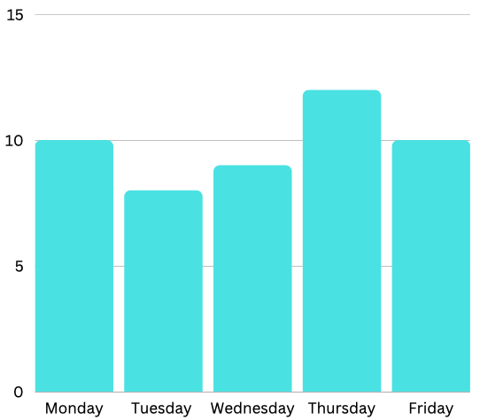
 |  |  |  | If you started your exercise at 3:30 and you finished at 4:25, for how long did you exercise? | Skill | For 55 minutes (from 3:30 to 4:25).
 |  |  |  | Draw a plate of healthy food with examples of food from the four healthy food groups. | Skill | A plate of healthy food could include: 1. Fruits: such as apples, bananas, and strawberries 2. Vegetables: such as broccoli, carrots, and spinach 3. Whole grains: such as brown rice, quinoa, and whole wheat bread 4. Lean proteins: such as grilled chicken, fish, and tofu
 |  |  |  | If you eat a lot of grains in most of your meals for 6 months without doing any physical exercise, how will this affect your health? | Discovery | If you eat a lot of grains in most of your meals for 6 months without doing any physical exercise, it may lead to weight gain and an increased risk of chronic diseases such as diabetes and heart disease. Grains are an important part of a balanced diet, but they should be consumed in moderation, along with other food groups, and should be balanced with physical exercise.
 |  |  |  | Name two exercises you can do to stay fit and healthy. | Discovery | Running or jogging Cycling Swimming
27 | Healthy and Sustainable Lifestyle | 2 | English: Asking questions, describing observations, basic comprehension, oral presentation vocabulary. | What are the four main types of healthy foods we should eat for a balanced diet? | Knowledge | The four main types of healthy foods we should eat for a balanced diet are: Fruits and vegetables: These are important sources of vitamins, minerals, and fiber. Whole grains: These provide energy and are a good source of fiber, which helps regulate digestion. Lean proteins: These are essential for building and repairing tissues and can be found in foods like chicken, fish, beans, and nuts. Dairy or dairy alternatives: These provide calcium, which is important for strong bones and teeth.
 |  |  | Math: Telling time, basic operations, creating table, reading table, visualization fraction, tally chart. | How many minutes are in one hour? How many minutes are in half an hour? | Knowledge | There are 60 minutes in one hour. There are 30 minutes in half an hour.
 |  |  | Science: Balanced diet, process of observation and recording, importance of exercise | Represent the following data using bar graphs: How many hours did you sleep in the last 5 days? Monday 10 hours Tuesday 8 hours Wednesday 9 hours Thursday 12 hours Friday 10 hours | Skill
 |  |  |  | If you started your exercise at 3:30 and you finished at 4:25, for how long did you exercise? | Skill | For 55 minutes (from 3:30 to 4:25).
 |  |  |  | Draw a plate of healthy food with examples of food from the four healthy food groups | Skill | A plate of healthy food could include: Fruits: such as apples, bananas, and strawberries Vegetables: such as broccoli, carrots, and spinach Whole grains: such as brown rice, quinoa, and whole wheat bread Lean proteins: such as grilled chicken, fish, and tofu
 |  |  |  | What are 3 or 4 steps you can take to ensure a healthy lifestyle? | Discovery | Here are 4 steps you can take to ensure a healthy lifestyle: 1. Eat a balanced and nutritious diet. 2. Exercise regularly 3. Get enough sleep 4. Manage stress
...
No. | Project: | Level: | Curriculum Standards: | Questions: | Type: | Answer: | Suggested Questions
 |  |  | English: Cause and effect, asking quesitons, making requests and suggestions, telling own experiences, making suggestions based on logic | What is meant by mode? | Knowledge | In statistics, mode refers to the value that appears most frequently in a data set.
 |  |  | Science: Balanced diet, process of observation and recording, importance of exercise | What are the four main types of healthy food we should eat for a balanced diet? | Knowledge | The four main types of healthy food we should eat for a balanced diet are: Fruits and vegetables Whole grains Lean proteins Dairy or dairy alternatives
 |  |  |  | Represent the following data using bar graphs: How many hours did you sleep in the last 5 days? Monday 10 hours Tuesday 8 hours Wednesday 9 hours Thursday 12 hours Friday 10 hours Calculate the mean, range and mode of this data | Skill | Mean = (10 + 8 + 9 + 12 + 10) / 5 = 9.8 hours Range = 12 - 8 = 4 hours Mode = 10 hours (appears most frequently)
 |  |  |  | Imagine that you want to exercise for 50 minutes. If you started at 6:18, what time should you stop exercising? | Skill | If you want to exercise for 50 minutes and started at 6:18, you should stop exercising at 7:08.
 |  |  |  | What are 3 or 4 steps you can take to ensure a healthy lifestyle? | Discovery | Three or four steps you can take to ensure a healthy lifestyle are: Eat a balanced and nutritious diet Exercise regularly Get enough sleep Manage stress
 |  |  |  | If you eat grains in most of your meals for 6 months without doing any physical exercise, how will this affect your health? | Discovery | If you eat grains in most of your meals for 6 months without doing any physical exercise, it may lead to weight gain and an increased risk of chronic diseases such as diabetes and heart disease. Grains are an important part of a balanced diet, but they should be consumed in moderation, along with other food groups, and should be balanced with physical exercise.
 |  |  |  | Name three exercises you can do to stay fit and healthy. | Discovery | Three exercises you can do to stay fit and healthy are: Running or jogging Cycling Swimming
29 | My Animal Park | 1 | English: Simple words, basic listening, description, logical reasoning | Write two animal names containing the letter "e". | Knowledge | Elephant, eagle
 |  |  | Science: Comparing animals based on anatomy and habitat, animal rights and ethics | Is there an animal that can live in more than one habitat (for example, in the sea and on land)? If yes, name one such animal. | Knowledge | Yes, there are animals that can live in more than one habitat. One such animal is the sea turtle, which lives in the ocean but also comes to land to lay eggs.
 |  |  |  | What is an amphibian? Give one example | Knowledge | An amphibian is a cold-blooded animal that spends its early life in water and its adult life on land. One example of an amphibian is a frog.
 |  |  |  | 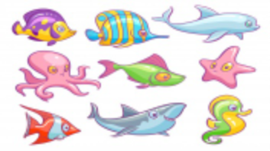 Where do the animals in the image below live? | Knowledge | In the sea
 |  |  |  | List one example of animals that live in the following habitats: ocean, forest, mountain. | Skill | Ocean: Dolphin Forest: Deer Mountain: Mountain goat
 |  |  |  | List two differences between a fish and a camel. | Skill | 1. Fish are aquatic animals that live in water, while camels are land animals that live in dry desert areas. 2. Fish breathe through gills, while camels breathe through lungs.
 |  |  |  | Imagine that all animals lived only in zoos. Would that be a good thing? Explain why. | Discovery | If all animals lived only in zoos, that would not be a good thing because animals need to live in their natural habitats and have access to the resources they need to survive. Zoos can provide some benefits such as conservation efforts and educational opportunities, but they cannot replace the importance of natural habitats for animals.
 |  |  |  | Compare between an animal park and zoo. List one difference. | Discovery | An animal park is a place where animals can live in a more natural environment, with larger enclosures and more opportunities to behave like they would in the wild. A zoo is a place where animals are kept in smaller enclosures for visitors to view. One difference between an animal park and zoo is the size and type of enclosures provided for the animals.
30 | My Animal Park | 2 | English: Describing observations, basic comprehension, writing ,spelling | Define adaptation. | Knowledge | Adaptation refers to the process by which an organism becomes better suited to its environment through genetic changes or behavioral adjustments.
 |  |  | Science: Animal classification based on similar traits and/or habitats, food chain and types of consumers, animal rights and ethics | Is there an animal that can live in more than one habitat (for example, in the sea and on land)? If yes, name one such animal. | Knowledge | Yes, there are animals that can live in more than one habitat. One such animal is the sea turtle, which lives in the ocean but also comes to land to lay eggs.
 |  |  |  | What is an amphibian? Give one example. | Knowledge | An amphibian is a cold-blooded animal that spends its early life in water and its adult life on land. One example of an amphibian is a frog.
 |  |  |  | 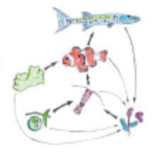 Look at the illustrations below: a. Create a food chain using arrows. b. Label the living things as producer or consumer. | Knowledge | a. food chain b. Producer consumer consumer consumer
 |  |  |  | Draw and write one difference between omnivores and carnivores. | Skill | Omnivores are animals that eat both plants and animals, while carnivores are animals that only eat other animals. One difference between them is that omnivores have a more varied diet than carnivores.
 |  |  |  | List two examples of animals that live in the following habitats: ocean, forest, mountain. | Skill | Ocean: Shark, dolphins Forest: Bear, deer Mountain: Snow leopard, mountain goat
 |  |  |  | What will happen if all animals were carnivores (meaning they ate only other animals)? Mention two effects of this. | Discovery | If all animals were carnivores, the entire food chain would drastically change, and the ecosystem would become unbalanced. Here are two effects of this: 1. Overpopulation: Carnivores typically have fewer offspring, and they consume more energy than herbivores. If all animals were carnivores, there would be fewer herbivores to eat, and carnivore populations would increase rapidly, leading to overpopulation and competition for resources. 2. Extinction: With fewer herbivores around to control the growth of plant populations, plants would grow in abundance, creating an imbalance in the ecosystem. Additionally, some herbivores may go extinct due to over-predation, leading to a domino effect on other species in the food chain.
 |  |  |  | Compare between an animal park and zoo. List one difference. Which one is better for animals ? Why? | Discovery | An animal park is a large area of land where wild animals live and roam freely. A zoo is a facility where animals are kept in enclosures for observation and exhibition. One difference between the two is that animal parks are generally larger and more natural environments for animals, while zoos are smaller and more artificial. In terms of which is better for animals, it depends on the specific park or zoo and how well they care for their animals. A well-managed zoo with proper care and enrichment for its animals can provide a safe and healthy environment for them to live in. Similarly, a well-designed animal park can provide animals with a large and natural environment to live and roam in. Ultimately, the welfare of the animals should be the top priority, regardless of whether they are in a park or zoo setting.
31 | My Animal Park | 3 | English: Cause and effect, research and writing, reading and explaining data. | Define the following terms: - food chain - food web | Knowledge | * Food chain: A food chain is a linear sequence of organisms in which each organism serves as a source of food for the next organism in the chain. It starts with a primary producer and ends with a top predator. * Food web: A food web is a more complex network of interconnected food chains that shows the feeding relationships among various organisms in an ecosystem.
 |  |  | Science: Comparing animals based on anatomy and habitat, ideas of animal ethics, habitat adaptation, food chain, emphasis on classifying animals and comparison, decomposition, food webs | What happens to animals when they die? | Knowledge | When animals die, their bodies undergo a process of decomposition, during which they are broken down by bacteria, fungi, and other decomposers. The nutrients released from the decomposition process are then recycled back into the ecosystem, providing essential nutrients for other organisms.
 |  |  |  | 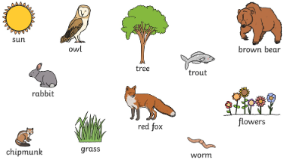 Sort the animals and plants in the grid below. | Knowledge | Producer: sun, grass, tree, flower Consumer: Rabbit, Red fox, chipmunk, Owl, Trout, Brown bear, worm
 |  |  |  | Label the following web using the following terms: producer,consumer, omnivores, carnivores | Knowledge | Producer - plants Consumer - herbivores, omnivores, carnivores Omnivores - animals that eat both plants and animals Carnivores - animals that eat only other animals
 |  |  |  | Define adaptation. | Knowledge | Adaptation is a biological process by which an organism becomes better suited to its environment over time through genetic changes or behavioral adjustments.
 |  |  |  | Draw food web in a forest. Label all living things in the food web as producer or consumer. | Skill | A food web in a forest might include producers such as trees and plants, primary consumers such as insects and small mammals, secondary consumers such as birds and larger mammals, and tertiary consumers such as carnivores like foxes or bears.
 |  |  |  | Imagine that a camel lives in the North Pole. How do you think the camel should look in order to adapt to this habitat? Draw and describe this imaginary camel that can live in the North Pole. | Skill | If a camel were to live in the North Pole, it would need to adapt to the extreme cold and harsh environment. Some adaptations that could help a camel survive in the North Pole might include: - A thick coat of fur or hair to insulate its body from the cold - Wide, flat feet to help distribute its weight over the snow and prevent sinking - Large nostrils to warm and humidify cold, dry air before it enters the lungs - The ability to store fat in humps for energy and insulation
 |  |  |  | How do the following animals adapt to their habitat: camel and polar bear? Mention one adaptation feature for each. | Discovery | Camels and polar bears are two animals that have adapted to their respective habitats in different ways. For example: *Camels are adapted to life in the desert, where they have thick fur and the ability to conserve water, allowing them to survive in hot, dry conditions with little access to water. *Polar bears are adapted to life in the Arctic, where they have white fur to blend in with the snow, a thick layer of fat to insulate their bodies from the cold, and large, webbed paws to help them swim and walk on ice.
 |  |  |  | Compare between an animal park and zoo. List one difference. Which is better for animals ? Why? | Discovery | An animal park is a large area of land where wild animals live and roam freely. A zoo is a facility where animals are kept in enclosures for observation and exhibition. One difference between the two is that animal parks are generally larger and more natural environments for animals, while zoos are smaller and more artificial. In terms of which is better for animals, it depends on the specific park or zoo and how well they care for their animals. A well-managed zoo with proper care and enrichment for its animals can provide a safe and healthy environment for them to live in. Similarly, a well-designed animal park can provide animals with a large and natural environment to live and roam in. Ultimately, the welfare of the animals should be the top priority, regardless of whether they are in a park or zoo setting.
32 | My Home in my Universe | 1 | English: Simple words, expressing views, relation between image and text, opinion, basic listening, describing observations | List three planets in our solar system. | Knowledge | Earth, Mars, Jupitar
 |  |  | Math: Simple ruler-work, drawing with shapes, meaurement, simple area | Name the continent that each of the following countries is located in: Egypt, Italy, India, China, Canda, Brazil, South Africa | Knowledge | The continents each of the following countries are located in are: Egypt - Africa Italy - Europe India - Asia China - Asia Canada - North America Brazil - South America South Africa - Africa
 |  |  | Social Studies: Basics of surroundings and local area, shape and appearance of earth, introduction to diversity, primary research method | Compare between city and country? List one difference | Skill | One difference between a city and a country is the level of population density. Cities are generally more densely populated than rural areas, with more people living in smaller areas.
 |  |  |  | Draw a famous historical monument or major attraction in your country | Skill | Depends on where learners live. Example: A famous historical monument or major attraction in my country is the Statue of Liberty, located in New York City, USA.
...
No. | Project: | Level: | Curriculum Standards: | Questions: | Type: | Answer: | Suggested Questions
 |  |  |  | List two differences between vertebrates invertebrates using examples. | Skill | Two differences between vertebrates and invertebrates are: 1. Vertebrates have an internal skeleton made of bone or cartilage, while invertebrates either have an exoskeleton (like insects) or no skeleton at all (like worms). 2. Vertebrates have a well-developed nervous system with a brain and spinal cord, while invertebrates may have a simple nerve net or a more complex nervous system with ganglia.
 |  |  |  | How does exercise affect your breath and heart beat? | Discovery | Exercise can have significant effects on breathing and heart rate. During exercise, the muscles require more oxygen to produce energy, so the body increases the respiratory rate to take in more oxygen and release more carbon dioxide. The heart rate also increases to pump more oxygen-rich blood to the muscles. This increased heart rate and breathing rate help to deliver more oxygen and nutrients to the muscles, allowing them to work harder and for longer periods.
49 | Exploring Our Solar System | 2 | English: Prepositions, image and word, causes and effect, opinion and logical reasoning, writing, strong command over spelling . | What is a planet? Give two examples. | Knowledge | A planet is a celestial body that orbits a star, is spherical in shape, and has cleared its orbit of other debris. Two examples of planets are Earth and Jupiter.
 |  |  | Math: Writing and reading big whole numbers | True or false: a. An orbit is a real path in our solar system b. Venus and Uranus rotate counter clockwise | Knowledge | a. True b. False. Venus rotates clockwise, and Uranus rotates counterclockwise.
 |  |  | Science: Understanding of planets in the solar system and each planet’s position in relation to the sun, understanding of solar system planets movement in space due to gravity, understanding of average temperature on planets and relation to distance from the sun. | Choose the right answer: a) Seasons are caused by the rotation of the earth around its axis b) Seasons are caused by the tilt of the earth's axis as it revolves around the sun c) The northern and southern hemispheres experience summer at the same time | Knowledge | B) Seasons are caused by the tilt of the Earth's axis as it revolves around the sun.
 |  |  |  | What is meant by the rotation of a planet? a) movement of planet around sun b) movement of planet around its own axis c) movement of planet in its orbital path | Knowledge | B) Movement of the planet around its own axis.
 |  |  |  | What is meant by the revolution of a planet? a) movement of planet around sun b) movement of planet around its own axis c) movement of planet in its orbital path | Knowledge | a) Movement of planet around sun
 |  |  |  | Write the following number in words: 385,720,194 | Knowledge | 385,720,194 can be written as three hundred eighty-five million, seven hundred twenty thousand, one hundred ninety-four.
 |  |  |  | Arrange the following planets in order of their closeness to the sun: Earth, Mercury, Mars, Venus | Knowledge | The order of the planets from closest to the sun to farthest from the sun is: Mercury, Venus, Earth, Mars.
 |  |  |  | Write the following number in digits: a) Sixty five million b) Seven hundred eight c) Five thousand and three hundred twenty six | Knowledge | a) 65,000,000 b) 708 c) 5,326
 |  |  |  | Explain how day and night happen on earth. Draw and label a diagram to illustrate this. | Skill | 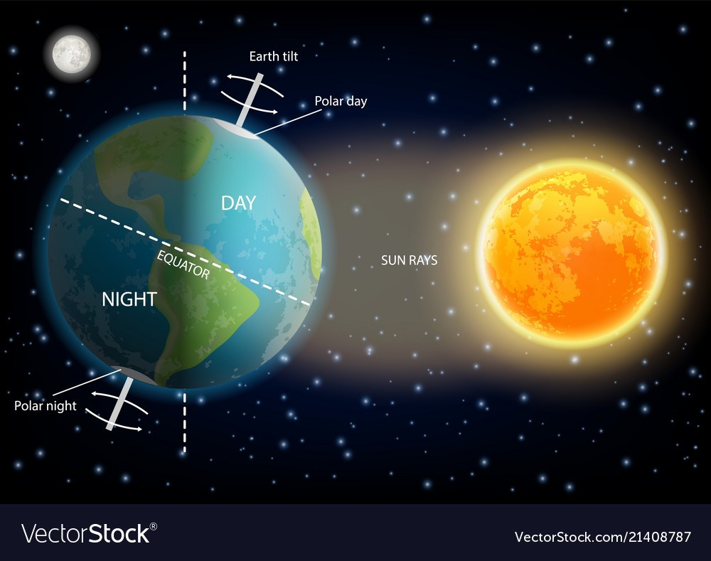 Accept diagrams that include the following description: Day and night occur on Earth due to the rotation of the Earth on its axis. As the Earth rotates, the side facing the sun experiences daytime, while the side facing away from the sun experiences nighttime. A diagram can be drawn to illustrate this, with the Earth labeled and an arrow indicating the direction of rotation.
 |  |  |  | Draw the solar system and arrange the following planets in order of temperature from hottest to coldest: Saturn, Uranus, Mars, Venus, Jupiter | Skill | Saturn, Venus, Jupiter, Mars, Uranus - arranged from hottest to coldest.
 |  |  |  | True or false: it takes all planets the same amount of time to complete one rotation | Discovery | False. Each planet has a different rotation period, which determines the length of its day.
 |  |  |  | Even though all planets rotate around the sun and themselves, the number of days in a year is different in each planet. Why? a) It depends on how many moons a planet has b) It depends on the orbital path planets take to revolve around the sun c) It depends on the temperature of the planet | Discovery | B) Depends on the orbital path planets take to revolve around the sun.
50 | Exploring Our Solar System | 3 | Science: Understanding of planets in the solar system and the solar system’s position in the Milky Way, understanding of heavenly bodies movement in space and topographical features, solar system and position within the Milky Way galaxy, solar system planets movement in space due to gravity, average temperature on planets and relation to distance from the sun, topographic and atmospheric features of planets | What is an asteroid? a) A planet b) A small rocky body orbiting the sun c) A star | Knowledge | B) A small rocky body orbiting the sun.
 |  |  | Math: Writing big whole numbers in words, calculating distance | How long does it take the earth to complete one revolution around the sun? | Knowledge | It takes the Earth approximately 365.25 days to complete one revolution around the sun.
 |  |  |  | Name 4 planets in our solar system. | Knowledge | Four planets in our solar system are Earth, Mars, Jupiter, and Saturn.
 |  |  |  | What is the Milky Way? | Knowledge | The Milky Way is the galaxy that contains our solar system. It is a barred spiral galaxy with a diameter of approximately 100,000 light-years and contains billions of stars, including our sun.
 |  |  |  | Choose the right answer: a) Seasons are caused by the rotation of the earth around its axis b) Seasons are caused by the tilt of the earth's axis as it revolves around the sun c) The Northern and Southern Hemispheres experience summer at the same time | Knowledge | b) Seasons are caused by the tilt of the Earth's axis as it revolves around the sun.
 |  |  |  | Draw and label the milky way. | Skill | A diagram of the Milky Way can be drawn with a central bulge and spiral arms extending outwards, labeled with the names of the arms such as the Perseus Arm and the Sagittarius Arm.
 |  |  |  | Explain how day and night happen on earth. Draw and label a diagram to illustrate this. | Skill | Day and night on Earth are caused by the rotation of the Earth on its axis. As the Earth rotates, the side facing the sun experiences daytime, while the side facing away from the sun experiences nighttime. A diagram can be drawn to illustrate this, with the Earth labeled and an arrow indicating the direction of rotation.
...
No. | Project: | Level: | Curriculum Standards: | Questions: | Type: | Answer: | Suggested Questions
 |  |  |  | What is the sixth month of the year? What is the last month of the year? | Knowledge | June. December.
 |  |  |  | Identify the first letter of the word "write" | Knowledge | W
 |  |  |  | Thursday comes after --------------- Sunday comes before --------------- | Knowledge | a. Wednesday b. Monday
 |  |  |  | How many days are in January? | Knowledge | 31 days
 |  |  |  | I am very sleepy today, because I slept very late last night. Which part of the sentence is the cause and effect? Cause :----------- Effect :------------- | Skill | Cause: I slept very late last night Effect: I am very sleepy today
 |  |  |  | Write 2 mathematical functions with different numbers that all add up to 19. Example: 7 + 12 | Skill | Two mathematical functions that add up to 19: 10 + 9 = 19 18 + 1 = 19
 |  |  |  | Choose the correct verb: I (sleep, slept) for three hours yesterday. | Skill | Slept
 |  |  |  | Change the verb: She (play) basketball tomorrow. | Skill | will play/ is going to play
 |  |  |  | Describe or draw the beginning of your story. | Discovery | Answers may vary. Accept appropriate ones.
 |  |  |  | Describe or draw what happens at the end of your story. | Discovery | Answers may vary. Accept appropriate ones.
 |  |  |  | 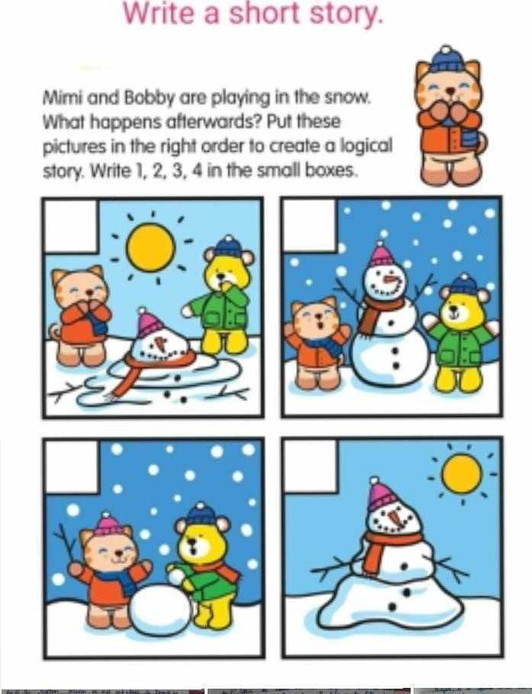 | Skill | 4, 2 1, 3
68 | Retelling History | 2 | English: understanding chronology and sequence of stories, comprehending the concept of cause and effect, understanding of the past, present and future, retelling stories and incidents orally, in writing and drawn formats, processes of change and development | How many weeks are there in a year? | Knowledge | 365/7 = 52 weeks
 |  |  | Math: telling time, calendar, some percentages practice | what are the 12 months of the year? | Knowledge | January, February, March, April, May, June, July, August, September, October, November, December
 |  |  |  | How many days are in March? | Knowledge | There are 31 days in March.
 |  |  |  | Identify the cause and effect in the following sentence: it was raining today so she got wet when she went outside Cause: ----------- Effect: ----------- | Skill | Cause: it was raining today Effect: she got wet when she went outside
 |  |  |  | If October has 31 days, how many weeks does it have? | Skill | 4 weeks.
 |  |  |  | 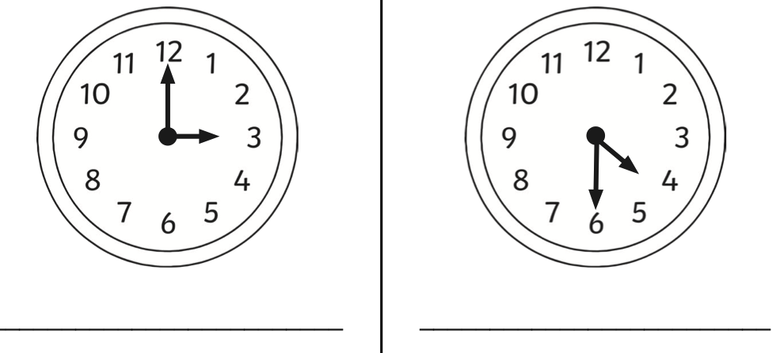 Can you tell the time? | Skill | 1. 3 o'clock 2. Half past four or four thirty.
 |  |  |  | Write a cause and effect statement using the following words: - because - as a result of | Skill | Answers may vary. Possible answers: Cause: It started to rain heavily Effect: The boy noticed that his dog was outside, wet and shivering because of the rain.
 |  |  |  | Arrange the following sentences to create a story: - he then ran back inside carrying the dog and washed and dried him off - the boy noticed that his dog was outside, wet and shivering - he ran outside to get the dog - after his clothes dried, he drank his milk and went to bed feeling warm with his dog beside him - a boy was sitting inside his house looking out of the window - it started to rain heavily | Skill | Example of story written used the sentences: A boy was sitting inside his house looking out of the window. It started to rain heavily. As a result, the boy noticed that his dog was outside, wet and shivering. He ran outside to get the dog. He then ran back inside carrying the dog and washed and dried him off. After his clothes dried, he drank his milk and went to bed feeling warm with his dog beside him.
 |  |  |  | Describe or draw the beginning of the story you wrote for this project. | Discovery | Answers may vary. Accept answers which include a drawing or description of the beginning of story.
 |  |  |  | Describe or draw what happens at the end of the story you wrote for this project. | Discovery | Answers may vary. Accept answers which include a drawing or description of the end of story.
69 | Retelling History | 3 | English: understanding chronology and sequence of stories, comprehending the concept of cause and effect, understanding of the past, present and future, retelling stories and incidents orally, in writing and drawn formats, processes of change and development | What three prime numbers can you multiply to reach 365? | skill | 5 x 73 x 1 = 365
 |  |  |  | If you attend 1260 hours of school a year and 7 hours of school in a day, how many days, weeks, days do you attend school? | skill | 1260 hrs / 7 hrs a day = 180 days 180 days / 7 days = 25.7 weeks. 180 days/ 30 days = 6 months
 |  |  |  | Draw a timeline of the past 123 years (1900 - 2023), mark 7-10 of the national and international events you know on the timeline. | Knowledge | Answers may vary. Possible answers: World War I (1914–1918) World War II, (1939 - 1945) India Independence (1947) Covid-19 Pandemic (2020)
 |  |  |  | Name some of the famous historical figures from your country. Write what they are famous for/ what their achievements are. | Knowledge | Answers may vary. Accept appropriate ones.
 |  |  | Math: telling time, calendar, some percentages practice | How many days are in March? | Knowledge | 31 days.
 |  |  |  | Think of a national story you know, (fictional or non-fictional). Try to narrate that story differently, form the perspective of the antagonist or the enemies. How would you describe the main character/hero? How would you feel about him/her? Is that main character actually a good character or there are some hidden information you think there is. | Skill | Answers vary. Accept appropriate ones.
...
No. | Project: | Level: | Curriculum Standards: | Questions: | Type: | Answer: | Suggested Questions
 |  |  | English: simple words, relation between image and text, image and word | How many angles does a rectangle have? a) 3 b) 4 c) 6 | Knowledge | b) 4
 |  |  |  | Name one object that is shaped like a: a) square b) circle | Knowledge | Possible Answer: One object that is shaped like a square is a post-it note. One object that is shaped like a circle is a CD.
 |  |  |  | Choose the right answer: the wall of your room looks like a: a) triangle b) hexagon c) rectangle | Knowledge | c) Rectangle
 |  |  |  | Represent the number of each shape as a tally mark Circles 14 Triangles 10 Squares 8 Rectangles 17 | Skill | Tally marks for the given shapes: Circles: |||||||||||||| Triangles: |||||||||| Squares: |||||||||| Rectangles: |||||||||||||||||||||
 |  |  |  | Draw a circle (you can use a pencil and a thread or draw freely) | Skill | Learners have to draw a circle.
 |  |  |  | Calculate 20 + 50 = | Skill | 70
 |  |  |  | Is a square the same as a rectangle? How are they different? (Hint: think of the sides of each shape) | Discovery | A square is a type of rectangle. They are both quadrilaterals, but a square has four equal sides while a rectangle has opposite sides that are equal in length.
71 | Build Your Dream House | 2 | Math: identifying and drawing 3D shapes, measurement, tally chart, basic 2D shape | Fill in the blanks: a) A cone has ___ face(s), ___ edge(s), and ___ vertex/vertices b) A cylinder has 3 ________, 2 _________, and 0 __________ c) A _________ has 5 faces, 8 edges, and 5 vertices. The faces are the flat sides and square base | Knowledge | a) A cone has one face, zero edges, and one vertex. b) A cylinder has three faces, two edges, and zero vertices. c) A pyramid has 5 faces, 8 edges, and 5 vertices. The faces are the flat sides and square base.
 |  |  | English: oral presentation, vocabulary | How many circles does a cylinder have? | Knowledge | A cylinder has two circles, one on each end.
 |  |  |  | What are the shapes of the following items: ball, TV, Coke can, dice? | Knowledge | The shapes are: ball: sphere TV: rectangular prism Coke can: cylinder dice: cube
 |  |  |  | Draw a cube and label the following on it: a) 1 edge b) 1 face c) 1 vertix | Skill | 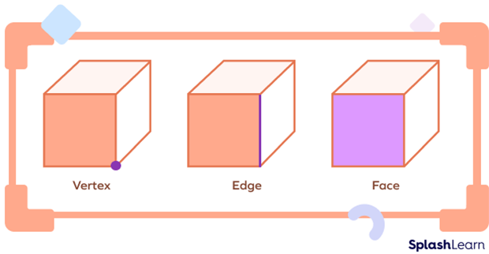 Accept drawings of a cube with 1 edge, 1 face, 1 vertix. Example below:
 |  |  |  | You have a circular piece of paper. Write in two or three sentences how to make a cone using this piece of paper. The learner can also demonstrate how to do this using round shaped paper | Skill | To make a cone using a circular piece of paper: - Cut out a wedge-shaped sector from the circular paper. - Take the remaining portion of the paper and bring the cut edges together, overlapping them slightly. - Secure the overlapping edges with glue or tape to form a cone shape.
 |  |  |  | Compare between 2D shapes and 3D shapes. List one difference & one similarity. | Skill | One difference between 2D shapes and 3D shapes is that 2D shapes only have two dimensions (length and width) while 3D shapes have three dimensions (length, width, and height). One similarity is that both can be measured in terms of their area or perimeter.
 |  |  |  | How is a cube the same as a rectangular prism? | Discovery | A rectangular prism is a three-dimensional shape with six faces. Each face is rectangular in shape, resulting in an object that resembles a box. A cube is a unique type of rectangular prism where all the faces are identical, resulting in six faces of the same size and with the same dimensions.
72 | Build Your Dream House | 3 | Math: Geometry 2D shapes, perimeter and areas, and 3D shapes surface areas | Choose the right answer: a) A vertex is also known as a __________ (side, corner, edge, face) b) __________ are also known as sides (side, corner, edge, face) c) Faces are the ___________ surfaces of each shape (pointy, flat) | Knowledge | a) A vertex is also known as a corner. b) Sides are also known as edges. c) Faces are the flat surfaces of each shape.
 |  |  |  | How many vertices does a cylinder have? | Knowledge | A cylinder has zero vertices.
 |  |  |  | Draw a cylinder and label the following on it: a) faces b) edges | Skill | 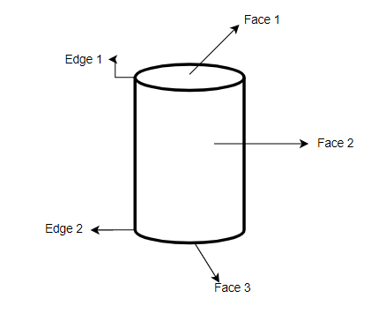 Accept drawings of a cylinder with faces and edges.
 |  |  |  | Calculate the area of a rectangle with sides 9cm and 12 cm. | Skill | The area of a rectangle with sides 9cm and 12cm is: A = length x width = 9cm x 12cm = 108cm^2
 |  |  |  | Calculate the area of a circle with radius 14 cm. | Skill | The area of a circle with radius 14cm is: A = πr^2 = 3.14 x (14cm)^2 = 615.44cm^2 (rounded to two decimal places)
 |  |  |  | Calculate the area of rectangular prism with length 10 cm, width 6 cm and height 4 cm. | Skill | The area of a rectangular prism with length 10cm, width 6cm, and height 4cm is: A = length x width x height = 10cm x 6cm x 4cm = 240cm^2
 |  |  |  | Compare between 2D shapes and 3D shapes. List one difference & one similarity. | Skill | One difference between 2D shapes and 3D shapes is that 2D shapes only have two dimensions (length and width) while 3D shapes have three dimensions (length, width, and height). One similarity is that both can be measured in terms of their area or perimeter.
 |  |  |  | What is the difference between a slant of a cone and the height of a cylinder? Explain by drawing. | Skill | The slant of a cone is the distance between the vertex and the base of the cone along a straight line, while the height of a cylinder is the distance between the top and bottom bases of the cylinder along a straight line perpendicular to the bases. The difference between the two can be explained by drawing a cone and a cylinder and measuring the slant and height of each.
 |  |  |  | How many bedrooms of size 40 square meters can you fit in a house of 200 square meters? Assume that the rest of the parts - kitchen, bathroom, livivng room - should take up 80 square meters. | Skill | The area of the house that is not occupied by the bedrooms, kitchen, bathroom, and living room is 200 - 80 = 120 square meters. Therefore, the number of bedrooms that can fit in the house is 120/40 = 3.
 |  |  |  | The perimeter of square is 4 x side. The perimeter of rectangle is (2 x Length) + (2 x Width) or 2(L + W). Can we calculate the perimeter for both using the same formula. Why? | Discovery | Both the perimeter of a square and a rectangle can be calculated using the same formula, which is the sum of all the sides of the shape. However, for a square, all four sides are equal, while for a rectangle, opposite sides are equal in length.
73 | Draw and Calculate like an Architect | 1 | Math: practice scale drawing using simple conversion of foot to digit, find areas of rectangles by drawing unit squares and counting, use a geometric/visual method to solve multiplications | Draw an arrow that is pointing to the: a) right b) left | Knowledge | a) Right b) Left
 |  |  |  | Choose the correct answer: The area of a shape is the size of the floor surface _____________ (inside, outside) the shape | Knowledge | Inside
 |  |  |  | What is meant by perimeter of a shape? a) how big the shape is b) how long the shape is - the sum of all the sides of the shape | Knowledge | b) How long the shape is - the sum of all the sides of the shape
...
No. | Project: | Level: | Curriculum Standards: | Questions: | Type: | Answer: | Suggested Questions
 |  |  |  | If the original price of a book is $34.65 and the selling price is $40, what is the profit? | Skill | Profit = selling price - original price Profit = 40 - 34.65 Profit = 5.35$
 |  |  |  | If a pen costs $2.5 and a notebook costs $7.25, what is the total cost if you buy 8 pens and 5 notebooks? | Skill | 1 pen = 2.5$, then 8 pens cost 2.5 * 8 = 20$ Same with notebooks, 1 notebook = 7.25$ then 5 notebooks cost 7.25 * 5 = 36.25$ Total cost of 8 pens + 5 notebooks = 20 + 36.25 = 56.25$
 |  |  |  | If the total cost of buying 9 rulers is $27, what is the cost of one ruler? | Skill | 9 rulers = 27 1 ruler = ?? the answer is 27 / 9 = 3$ or you can do the cross method, 1*27 / 9 = 3$
 |  |  |  | When do you make profit? | Discovery | When I sell a product with more than its original price. Example, if a shirt's worth (original price) is 5$, and the selling price was 6.5$, then I gain 1.5 $. This is my profit.
 |  |  |  | What are 3 important things to consider when setting the price of items in a store? | Discovery | Possible answers: Rent, salaries, utilities (e.g. electricity, water), profit
 |  |  |  | What are three different things you would think about if you decided to open up a store? | Discovery | Possible answers: Demand: what is needed in the market Financial issues: funding, rents and salaries Name and location of the shop
 |  |  |  | Some stores are very popular and some are not. List two reasons that make stores popular. | Discovery | Possible answers: - food quality - prices - location - type and taste of food - service quality
83 | Population census | 2 | Math: Designing and using a survey tool to gather information, Multiplication by one-digit numbers, Four-digit subtraction, Data handling: analyzing survey, Data handling: analyzing and creating graphical representation of data. | Fill in the blanks: The vertical line in a graph is called the ___ axis, and the horizontal line is called the ___ axis. | Knowledge | Vertical line = y-axis Horizontal line = x-axis
 |  |  | English: summarizing | What is a population census? | Knowledge | The process to determine the total number of people living in a place and understand them better by grouping them into similar categories such as age groups, gender, occupation etc.
 |  |  |  | Define population. | Knowledge | The number of people living in a certain place
 |  |  |  | 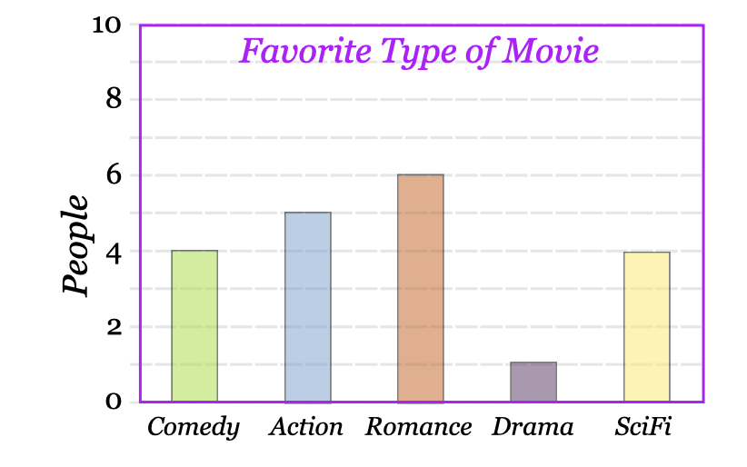 Look at the graph below to answer these questions: a) What is the most popular type of movie? b) How many people like Sci-Fi movies? | Skill | a) to decide the most popular type means to see how many people like it. So depending on the highest number, Romance is the most popular.(6 people) b) How many people like Sci-Fi movies? 4 people
 |  |  |  | You want to conduct an interview with your family members to know more about them, write three questions you would ask them. | Skill | Answers may vary. Possible questions: - What is your name, how old are you? - What is your favorite hobby? - How would you like to spend the weekend? - Where would you love to travel? - Do you like to read? what is you favorite book genre?
 |  |  |  | A school has students in three catogories: 100 students age 4-6 yrs 200 students age 7-9 yrs 150 students age 10-12 yrs Represent this data using bar graphs. | Skill | 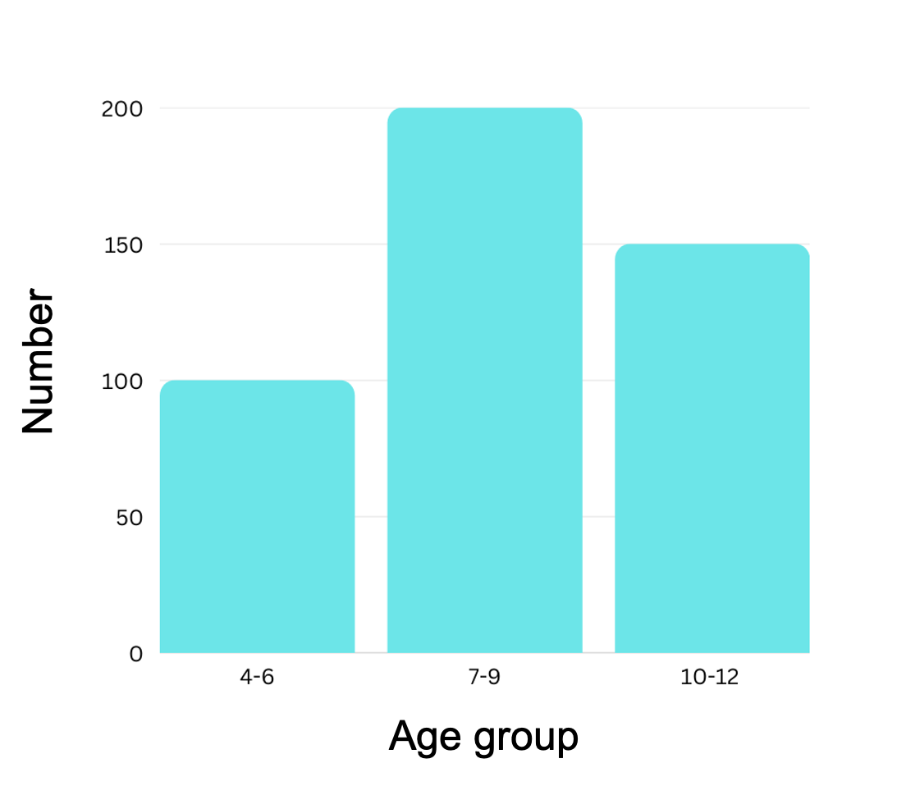
 |  |  |  | Why do we conduct a population census? Give two reasons. | Discovery | Possible answers: 1- To understand the people living in a place and define their needs; for example, if there are lots of unemployed people, the country should find ways to provide jobs for people. If a place has lots of elderly, many facilities should be built for them and so on. 2- to plan for housing and future projects. 3- It tells us if we need to build more schools or hospitals for people.
84 | Population census | 3 | English: writing summary report and reading practice designing and using a survey tool to gather information | Fill in the blanks: The vertical line in a graph is called the ___ axis, and the horizontal line is called the ___ axis. | Knowledge | Vertical line = y-axis Horizontal line = x-axis
 |  |  | Math: calculating percentages with two-digit numbers, data handling: mean, median, mode, frequency, graphical representation of data | What is a population census? | Knowledge | The process to determine the total number of people living in a place and understand them better by grouping them into similar categories such as age groups, gender, occupation etc.
 |  |  |  | A school has students in three catogories: 100 students age 4-6 yrs 200 students age 7-9 yrs 150 students age 10-12 yrs Represent this data using bar graphs. | Skill
 |  |  |  | Look at the graph below to answer these questions: a) What is the most popular type of movie? b) How many people like Sci-Fi movies? | Skill | a) What is the most popular type of movie? to decide the most popular type means to see how many people like it. so depending on the highest number, Romance is the most popular.(6 people) b) How many people like Sci-Fi movies? 4 people
 |  |  |  | Find the average of the following numbers: 123, 462, 211 | Skill | Average = (123 + 462 + 211) / 3 = 265.3
 |  |  |  | You want to conduct an interview with your family members to know more about them, write three questions you would ask them. | Skill | Answers may vary. Possible questions: - What is your name, how old are you? - What is your favorite hobby? - How would you like to spend the weekend? - Where would you love to travel? - Do you like to read? what is you favorite book genre?
 |  |  |  | Find the frequency and mode of the following set of numbers e.g. 23, 18, 16, 16, 12, 15, 27 | Skill | Step 1: Sort the numbers in ascending order: 12, 15, 16, 16, 18, 23, 27 Step 2: Calculate the frequency of each number by counting the number of times each number appears in the set: 12 appears once 15 appears once 16 appears twice 18 appears once 23 appears once 27 appears once Step 3: Identify the number(s) that occur(s) most frequently. This number is the mode. In this case, the number 16 occurs most frequently, so the mode is 16.
 |  |  |  | The table below shows the favourite colour of 200 kids in a class. a. Using the information provided, create a bar graph. b. Which colour is the most preferred and which colour is the least preferred? c. How many kids chose red as their favourite colour? | Skill | 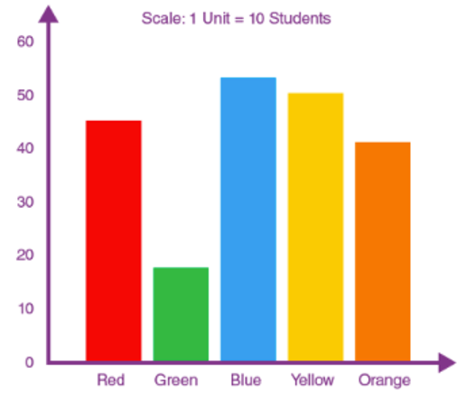 b. Blue is the most preferred colour. Green is the least preferred colour. c. From the given information, red was preferred by 45 students.
 |  |  |  | Why do we conduct a population census? Give three reasons. | Discovery | Possible answers: 1- To understand the people living in a place and define their needs, for example, if there are lots of unemployed people, the country should find ways to provide jobs for people. 2- If a place has lots of elderly, many facilities should be built for them. 3- To plan for housing and future projects 4- It tells us if we need to build more schools or hospitals for people.
85 | My Jellyfish | 0 | Math: Write numbers 1-10 (numeric) -Count objects from1-10. | Write the following numbers in numeric form: -Three -Six -Eight | Knowledge | -Three 3 -Six 6 -Eight 8
 |  |  |  | Circle the correct number: - Five (4, 8, 5) - Seven (3, 7, 9) - Ten (10, 1, 2) | Knowledge | - Five (5) - Seven (7) - Ten (10)
 |  |  |  | True or false: a- Seven in numeric form is 9 b- Two in numeric form is 2 c- Three in numeric form is 5 | Knowledge | a- False b- True c- False
 |  |  |  | Draw 4 sticks. (Note: learners can draw lines or any other shape that is easier to draw) | Skill | Learners draw 4 sticks ( |||| )
 |  |  |  | Draw 7 circles | Skill | Learners draw 7 circles ( OOOOOOO)
 |  |  |  | Draw 9 sticks | Skill | Learners draw 4 sticks ( ||||||||| )
 |  |  |  | 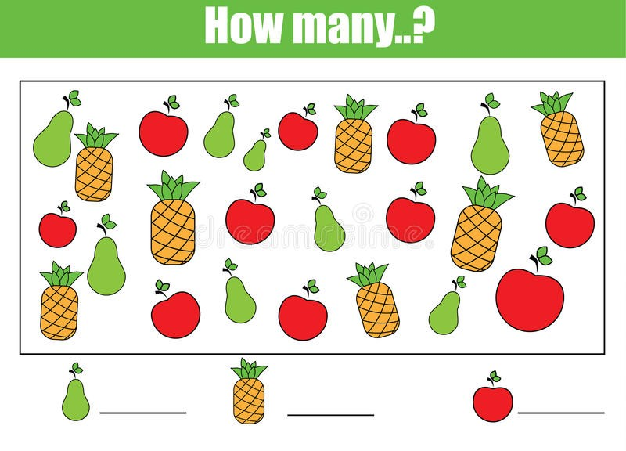 | Skill | Pears: 8 pineapples: 7 apples: 10
 |  |  |  | 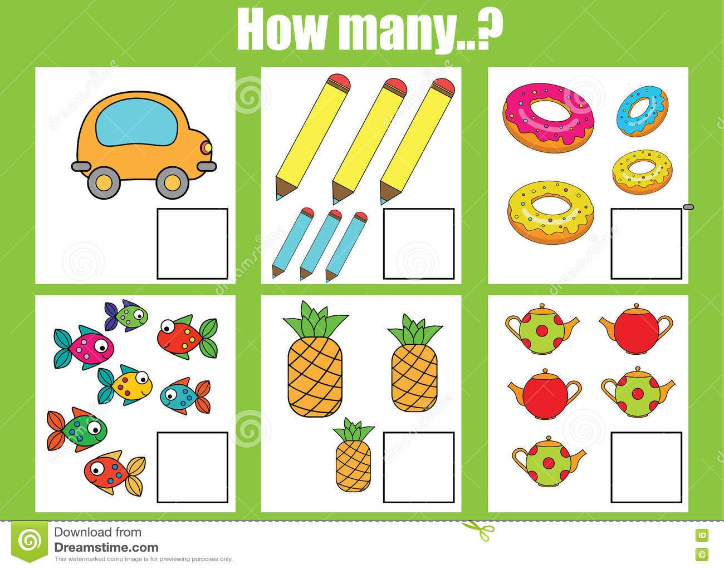 | Skill | car: 1 pens :6 donuts: 4 fish: 7 pinapples: 3 tea pots: 5
86 | My Lovely Bird | 0 | Math :Write numbers 11to 20 (numeric),Count objects using numbers 11to 20,Count forward and backward from 1to20,Identify numbers that comes after,before,repersent numbers 1to 20 using number line . | Write The following numbers in numeric form: - Eleven - Sixteen - Nineteen - 9 is between 8 and ______ | Knowledge | - Eleven 11 - Sixteen 15 - Nineteen 19 - 9 is between 8 and 10 ( 8, 9, 10)
 |  |  |  | Circle the correct number - Twelve (14,11,12) - Eighteen (13,18,15) - Fourteen (12,16,14) | Knowledge | Twelve (12) Eighteen (18) Fourteen (14)
 |  |  |  | True or false a- Thirteen in numeric form is 16 b- Nineteen in numeric form is 19 | Knowledge | a- False b- True
 |  |  |  | What number comes before a- 8 b- 11 c- 6 d- 18 | Knowledge | a- 7, 8 b- 10, 11 c- 5, 6 d- 17, 18
 |  |  |  | What number comes after a- 9 b- 14 c- 5 d- 17 | Skill | a- 9, 10 b- 14, 15 c- 5, 6 d- 17, 18
 |  |  |  | True of false a- 7 comes after 5 b- 13 comes before 14 c- 8 comes after 7 d- 15 is between 14 and 17 | Knowledge | a- False b- True c- True d- False
 |  |  |  | Draw a number line to represent numbers from: - 1 to 10 - 1 to 20 | Skill | Learners draw number line and represent the given numbers.
 |  |  |  | Count: - Forward starting from 14 and ending at 20 - Backward starting from 12 and ending at 5 | Knowledge | Learner counts.
 |  |  |  | Draw 12 circles | Knowledge | Learner draws 12 cirlces.
 |  |  |  | Fill in the blanks: - 12, 13, ....., ....., 16, ..... - ....., 9, 10, .....,....., 13 - 17, 16, .....,....., 13, ....., ..... - 13, ......, ......, 10, ......, 8 | Knowledge | a) 12, 13, 14, 15, 16, 17 b) 8, 9, 10, 11,.12, 13 c) 17, 16, 15, 14, 13, 12, 11 d) 13, 12, 11, 10, 9, 8
...
No. | Project: | Level: | Curriculum Standards: | Questions: | Type: | Answer: | Suggested Questions
 |  |  |  | Count forward startigng from 14 and ending at 20 | Skill | Learner counts: 14, 15, 16, 17, 18, 19, 20
 |  |  |  | Count backward starting from 12 and ending at 5. | Skill | Learner counts: 12, 11, 10, 9, 8, 7, 6, 5
87 | My Organs T-shirt | 3 | Science :Identify the internal organs and the function of respiratory system. Identify the internal organs and the function of Urinary system. Identify the internal organs and the function of Digestive system, Draw the main organs of digestive, respiratory, circulatory and urinary. | True or false - The mouth and nose are parts of respiratory system - Arteries carry blood back to the heart | Knowledge | 1. True 2. False (Arteries carry blood away from the heart and veins carry blood to the heart.)
 |  |  |  | Where is the respiratory system located? | Knowledge | In chest, throat, mouth and nose area.
 |  |  |  | What happens to size of chest when we breath out (i.e. exhale)? | Knowledge | The size of the chest decreases because carbon dioxide, a waste gas, moves from your blood to the lungs and is exhaled
 |  |  |  | What is the main function of circulatory system? | Knowledge | The circulatory system carries oxygen, nutrients, and hormones to cells, and removes waste products, like carbon dioxide.
 |  |  |  | Complete the following sentence: During exercise, your heart beats ............. | Knowledge | ... faster so that more blood circulates around your body.
 |  |  |  | How does your body get rid of carbon dioxide? | Knowledge | Carbon dioxide moves from your blood to the lungs and is then exhaled
 |  |  |  | The kidneys, ureters, bladder are parts of the .......................system. | Knowledge | Urinary system
 |  |  |  | Where does digestion start? | Knowledge | The digestive process starts in the mouth.
 |  |  |  | Draw the following organs - Kidney - Lungs | Skill | 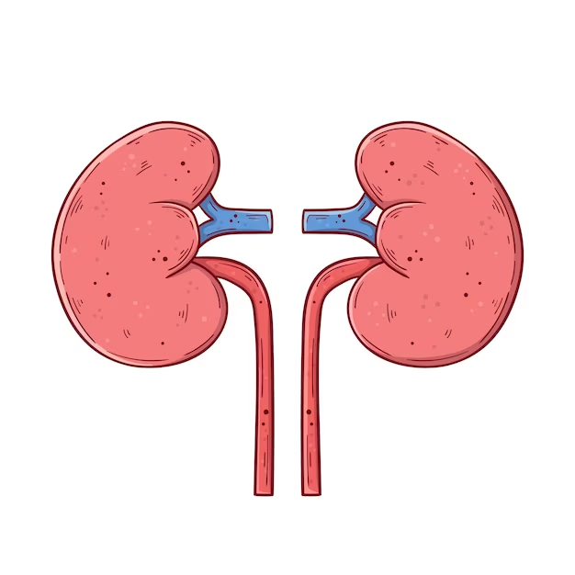
 |  |  |  | Compare between the process of inhalation and exhalation (mention 2 differences ). | Skill | Inhalation and exhalation are two processes involved in the respiratory system, where inhalation is the process of taking air into the lungs, while exhalation is the process of releasing air from the lungs. Here are two differences between the process of inhalation and exhalation: 1. The diaphragm muscle moves differently: During inhalation, the diaphragm muscle moves downwards, which creates space in the chest cavity for the lungs to expand and fill with air. On the other hand, during exhalation, the diaphragm muscle relaxes and moves upward, which decreases the volume in the chest cavity and causes air to be forced out of the lungs. 2. Different muscles are used: Inhalation requires the use of the external intercostal muscles and the diaphragm muscle to expand the chest cavity, while exhalation uses the internal intercostal muscles and the abdominal muscles to compress the chest cavity and force air out of the lungs. Overall, inhalation and exhalation are opposite processes that work together to ensure that the body receives enough oxygen and expels carbon dioxide, which is crucial for maintaining healthy bodily function.
 |  |  |  | The stomach acts as a blender. Explain why this is true. | Skill | The stomach contains acids that helps break down the food you eat so your body can get the nutrients it needs from the food. Therefore. the stomach blends the solid foods.
 |  |  |  | What is the difference between the functions of the small intestine and large intestine? | Skill | The small intestine absorbs most of the nutrients in Chyme. The large intestine will absorb water, minerals then it will change the leftover into stool.
 |  |  |  | What happens if you do not apply pressure to a cut? Why? | Discovery | If you do not apply pressure to a cut, the bleeding may continue or worsen. Applying pressure helps to slow or stop the bleeding by allowing a blood clot to form.
 |  |  |  | Is the diaphragm important in the process of breathing. Why or why not? | Discovery | Yes, the diaphragm is important in the process of breathing. It is a large muscle located at the bottom of the chest that contracts and relaxes to create changes in pressure within the chest cavity, which allows air to be drawn into and expelled from the lungs.
 |  |  |  | Name the system below and label its organs: | Discovery | Respiratory system; includes the nose, mouth, trachea, bronchi, and lungs.
88 | Understanding Infections and Vaccines | 3 | Science: Understand the cycle of infection Understand how microorganisms cause infections. Understand what a vaccine is and how it speeds up our response to infection Understand and explain herd immunity. | True or false, all living organisms are made up of cells AND all living organisms can reproduce. | Knowledge | TRUE
 |  |  |  | What are some symptoms of a viral or bacterial infection (when you are sick)? | Knowledge | Some symptoms of a viral or bacterial infection may include fever, fatigue, coughing, sneezing, sore throat, body aches, and gastrointestinal issues such as nausea, vomiting, or diarrhea. However, symptoms can vary depending on the specific type of infection.
 |  |  |  | Calculate the percentage of individuals vaccinated in an area. The total number of people in the area is 10,508 and the number of people who have been vaccinated is 3782. | Skill | (3782 divided by 10,508) x 100 = 35.9916254 Accept rounded numbers
 |  |  |  | You are asked to write an article for your local/school newspaper on vaccines and/or vaccine discovery. What information will you include? Write three to four points. | Skill | Accept appropriate answers. Possible Answer: 1. The history of vaccines 2. How vaccines work 3. The importance of vaccines 4. Common misconceptions about vaccines
...
No. | Project: | Level: | Curriculum Standards: | Questions: | Type: | Answer: | Suggested Questions
 |  |  |  | How would you design a paper plane so that it defies gravity? (i.e. it flies fro a long period of time) Explain using the concepts of thrust, drag and lift | Discovery | To design a paper plane that defies gravity, the plane should be designed to maximize lift while minimizing drag. This can be achieved by creating a plane with long, narrow wings that are angled upwards, which increases the lift generated by the wings. Additionally, the plane can be designed to have a streamlined body, which reduces drag and allows the plane to move through the air more easily. Thrust can be increased by launching the plane with a stronger initial force or by adding a motor or propeller to the plane. By optimizing the design of the paper plane to maximize lift and minimize drag, and by increasing the force of thrust, the plane can stay in the air for a longer period of time and appear to defy gravity.
 |  |  |  | Why do some objects sink while others float? | Discovery | Objects sink or float based on their density relative to the density of the fluid in which they are placed. Density is the amount of mass per unit volume of an object or substance. If the density of an object is greater than the density of the fluid, it will sink, while if the density of the object is less than the density of the fluid, it will float.
 |  |  |  | True or false: the mass of an object alone determines whether it floats or sinks in water. | Knowledge | False. The mass of an object alone does not determine whether it floats or sinks in water. It is the ratio of the mass of an object to its volume, or its density, that determines whether it will float or sink in water.
 |  |  |  | Explain Archimedes principle of displacement with an example (i.e. experiment) | Knowledge | Archimedes' principle states that an object immersed in a fluid experiences a buoyant force equal to the weight of the fluid it displaces. This principle helps explain why some objects float while others sink. Accept examples.
 |  |  |  | What is the relationship between the mass of an object and its gravitational pull? OR Which object will fall faster if thrown from a height - a bowling ball or a can of soda? Why? | Discovery | The relationship between the mass of an object and its gravitational pull can be explained by Newton's law of gravitation, which states that the gravitational force between two objects is proportional to their masses and the distance between them. Therefore, the greater the mass of an object, the greater its gravitational pull. In terms of which object will fall faster if thrown from a height - a bowling ball or a can of soda - both objects will actually fall at the same rate because they are subject to the same gravitational acceleration, which is 9.8 meters per second squared (m/s²) near the surface of the Earth. This was famously demonstrated by Galileo Galilei when he dropped two different sized objects from the Leaning Tower of Pisa to prove that they fell at the same rate. However, if the objects had different air resistance due to differences in their shapes, sizes, or materials, then they may fall at different rates.
95 | Acid-Base Reaction Experiment | 3 | Science: Acid-base reactions visualized. Neutralization. Setting up a scientific experiment and developing a hypothesis. | Give two examples of acids. | Knowledge | Two examples of acids: hydrochloric acid (HCl) and sulfuric acid (H2SO4)
 |  |  | Language: Writing a scientific experiment report; Presenting research findings | Give two examples of bases. | Knowledge | Two examples of bases: sodium hydroxide (NaOH) and potassium hydroxide (KOH)
 |  |  |  | True or false: water and cooking oil are basic. | Knowledge | False: water and cooking oil are neutral, not basic.
 |  |  |  | Write a neutralization reaction using one acid and one base. (Hint: acids + bases → salt + water) | Skill | Neutralization reaction: HCl + NaOH → NaCl + H2O (hydrochloric acid + sodium hydroxide → sodium chloride + water)
 |  |  |  | Compare between acids and bases using two differences. | Skill | Differences between acids and bases: Acids taste sour, while bases taste bitter or soapy. Acids turn blue litmus paper red, while bases turn red litmus paper blue.
 |  |  |  | 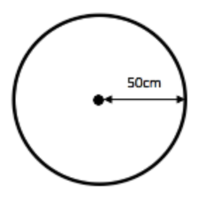 Measure the circumference of the following circle. (Hint: circumference of a circle = πd) | Skill | To measure the circumference of a circle, we need to know its diameter (the distance across the circle passing through its center). The circumference is then calculated as: Circumference = π × diameter.
 |  |  |  | What happens when an acid and a base react? What is this phenomenon called? | Discovery | When an acid and a base react, they undergo a chemical reaction called neutralization. In this reaction, the acid and base cancel each other's properties, resulting in the formation of a salt and water.
 |  |  |  | True or false: the following are the steps of the scientific method in order: a) come up with a research question b) write the hypothesis c) conduct the experiment d) observe and collect information d) draw conclusions and determine whether the hypothesis is true or false | Discovery | False: the correct order of the scientific method is: Come up with a research question Write the hypothesis Conduct the experiment Observe and collect information Draw conclusions and determine whether the hypothesis is true or false.
 |  |  |  | What happens to an egg that is submerged in vinegar for 10 days? Explain why this happens. | Discovery | When an egg is submerged in vinegar for 10 days, the eggshell dissolves and the egg becomes rubbery and translucent. This is because vinegar is an acid, and the calcium carbonate in the eggshell reacts with the acid to produce carbon dioxide gas, water, and calcium ions. The carbon dioxide gas is released as bubbles, while the calcium ions combine with the acid in the vinegar, producing calcium acetate, water, and carbon dioxide. This reaction between the acid and the eggshell causes the eggshell to dissolve over time, leaving behind the inner membrane that holds the egg white and yolk. The egg becomes rubbery due to the fact that the vinegar enters the egg and causes the proteins in the egg white to denature, which changes the texture of the egg.
96 | Let's Share a Smile | 3 | Science: Structure of tooth, good oral hygiene habits, good and bad foods for teeth, causes of tooth decay, how to prevent tooth decay | List 4 habits we should maintain to keep our teeth healthy. | Knowledge | Brush them morning and night, avoid eating too much sugar, floss
 |  |  |  | True or false: cleaning our tongue helps prevent bad breath | Knowledge | TRUE
 |  |  |  | Complete the following sentences: a) the chisel-shaped front teeth are called ________ b) the sharper teeth on either side of incisors with one pointy tip (or cusp) are called ________ c) the teeth that come after canines and have two points or cusps are called ________ d) the wider back teeth with four or five points/cusps are called _________ | Knowledge | a) The chisel-shaped front teeth are called incisors b) The sharper teeth on either side of incisors with one pointy tip (or cusp) are called canines c) The teeth that come after canines and have two points or cusps are called premolars (also called bicuspids) d) The wider back teeth with four or five points/cusps are called molars
 |  |  |  | Label the following: | Skill
 |  |  |  | Layla's tooth fell and she used it to conduct the following experiment: she submerged it for a week in a glass of milk. What will Layla notice when she takes it out of the glass after one week? Explain why. What would have happened if she had submerged it in a glass of soda? | Discovery | When Layla takes her tooth out of the glass of milk after one week, she will notice that it has become softer and discolored. This is because milk is slightly acidic and contains enzymes that break down the proteins in the tooth's enamel and dentin, making it appear discolored and feel softer. If Layla had submerged her tooth in a glass of soda, the results would have been different. Soda is highly acidic and contains a high amount of sugar, which can lead to tooth decay. Submerging the tooth in soda for a week would have caused even more damage to the tooth's enamel and could have led to the tooth completely breaking down.
 |  |  |  | Describe the role of the following teeth when you eat an apple: incisors and molars | Discovery | The incisors are the front teeth that are used to bite into and cut food, such as the skin of an apple. The molars are the wider teeth at the back of the mouth that are used to grind and crush the apple into smaller pieces for easier swallowing.
 |  |  |  | Why is it important to brush your teeth with a fluoride containing toothpaste? | Discovery | Fluoride is important for dental health because it helps to strengthen tooth enamel and protect against decay. Brushing with a fluoride-containing toothpaste can also help to prevent cavities and maintain good oral hygiene.
...
No. | Project: | Level: | Curriculum Standards: | Questions: | Type: | Answer: | Suggested Questions
 |  |  |  | Which total is lower? (11 - 8) or (9 - 5) | Skill | 11 - 8 = 3 9 - 5 = 4 so 3 < 4
 |  |  |  | How many pins are in the tin? | skill | 7
 |  |  |  | 2,4,_,8 what is the missing number? | Skill | 6
 |  |  |  | What is the sequence of this pattern 11,8,5,__. | Discovery | 2
144 | Patterns Everywhere | 0 | Literacy: Learners will observe and explore different patterns. Discovering patterns in their daily life, nature, and music. Learners will create patterns with different shapes. Learners will do cutting and sorting activities following pattern recognition. Science/Literacy/Numeracy: Through body exercises, numbers, and letters, learners will learn that patterns are everywhere. | Point to what comes next in the following pattern: | Skill | 1. Triangle 2. Crescent
 |  |  |  | Identify the shapes of the following objects: | Skill | 1. Triangle 2. Rectangular 3. Circle
 |  |  |  | Write the missing numbers: 2 ____ , 6 , _____ , 10 | Skill | 2, 4, 6, 8, 10
 |  |  |  | What do you do when you wake up? Put them in an order from 1-4 _ Wash my face _ eat breakfast _ change my clothes _ brush my | skill | Answers Vary.
 |  |  |  | What comes next in the following patterns? A B A B _____, _____ 1 0 1 0 _____, _____ | Discovery | A, B 1, 0
145 | Patterns Everywhere | 1 | SEL: Identify different kinds of patterns on daily life Exemplify how meaning is connected to patterns | What do you do when you wake up? put them in an order from 1-4 _ Wash my face _ eat breakfast _ change my clothes _ brush my teeth | Knowledge | answers vary
1
2
3
 |  |  | Science: Differentiate between data and information, and meaning | Which shape is a red circle, green square, red triangle? | Knowledge | 1- green square 2- red circle 3- red triangle
 |  |  |  | Draw a pattern using only one shape. | Skill | Students get creative Example:
 |  |  |  | Draw the folllowing pattern: triangle, circle, circle, triangle | Skill
 |  |  |  | complete the missing shapes in this pattern: square, rectangle, square, circle, square, rectangle, -------, ----------- | Discovery | square, circle
 |  |  |  | Discover any patterns in the garden/street/room you are in. | Discovery | Answers vary.
146 | Patterns Everywhere | 2 | SEL: Identify different kinds of patterns on daily life Exemplify how meaning is connected to patterns | Talk about your daily routine. | Knowledge | Answers vary.
 |  |  | Science: Differentiate between data and information, and meaning | Write a pattern of words that are connected by an idea. Draw a pattern using one object/line/shape | Skill | Example:
 |  |  |  | What is a pattern? give examples of natural patterns (flowers, trees, fruits..) and artificial patterns (tiles, designs). | Knowledge | A pattern is something that happens or appears in a regular and repeated way. Patterns exist in various forms. it could be in habits, routines, maths, arts. natural patterns: spider web, tree trees, sea waves. artificail: building design, kitchen tiles, number sequence
 |  |  |  | 1 3 5 7 9 11.... What number comes next? | Skill | 13 1 (+2) 3 (+2) 5 (+2) 7 (+2) 9 (+2) 11 (+2) 13
 |  |  |  | 1, 1, 2, 3, 5, 8, 13, 21, 34, ..... What number comes next? | Skill | This is called the Fibonacci sequence. Each number is the sum of the two numbers that precede it. 21 + 34 = 55
 |  |  |  | Try to find a similar pattern to your day with a classmate/friend. How do you notice a pattern? | Discovery | Possible answers: - a weekend routine, a dance, after school routine. Patterns are noticed when there is a repeated shape/s or design in an aesthetic way
...

